Bill of Quantity
PUBLIC PROCUREMENT CONTRACT FOR TRANSFORMATION WORKS AND FURNITURE OF FABLABS IN SCHOOLS IN EAST JERUSALEM
TENDER NO. PZA170421T-10036
Annex 1 - Bill of Quantity

 |  |  |  | Lot 1 |  |  |  |  |  | Lot 2
 |  |  |  |  | 1-AQS | 2-SSG | 3-SSB |  |  |  | 4-HII | 5-SAS | 6-NTH | 7-OTH
No. | Item | Description of Works | UNIT | Total Quantity for Lot 1 | Al-Aqsa Secondary Girls' School | Asheikh Sa'ad Secondary Girls' School | Asheikh Sa'ad Secondary Boys' School | Unit Price (EUR) | Total Price (EUR) | Total Quantity for Lot 2 | Al-Hasan Athany Basic Boys' School | Al-Shabbat Al-Shameleh Secondary School | Annethamiah Secondary Girls' School | Othman Ibn Affan Basic Girls' School | Unit Price (EUR) | Total Price (EUR) | Works Category
1 | DEMOLITION AND DISMANTLING |  |  |  |  |  |  | TOT. | € - |  |  |  |  |  | TOT. | € -
1.1 | Dismantle cabinets | Dismantle the existing kitchen countertop and cabinets at following schools and as shown on drawings. The price includes the dismantling and proper closure of drain and water taps and removal of all waste outside the site to a secure location at the expense of the Contractor. The Contractor will be held resposible for any damage resulting from this work. | JOB | 2 | 1 | 1 | - |  | € - | - | - | - | - | - |  |  | DEMOLITION AND DISMANTLING
1.2 | Trenching for Electrical | Digging for the new electrical installations, whether in the stone facades of the building, gypsum or cement facades, or in the ground tiles, according to drawings and the instructions of the supervising engineer. The price includes the removal of waste outside the site at the expense of the contractor. | M.R. | 80 | 50 | 10 | 20 |  | € - | 70 | 30 | 20 | 15 | 5 |  | € - | DEMOLITION AND DISMANTLING
1.3 | Demolish block wall | Demoltion the existing block wall that is currently dividing the space in two. The price includes the removal of waste outside the site at the expense of the contractor. | M.S. | 20 | 20 | - | - |  | € - | - | - | - | - | - |  | € - | DEMOLITION AND DISMANTLING
1.4 | Dismantle steel door | Dismantle the existing balcony door, price including their removal outside the building to a designated location as per coordination with School Management. | JOB | - | - | - | - |  |  | 1 | - | - | 1 | - |  | € - | DEMOLITION AND DISMANTLING
1.5 | Demolish gypsum wall | Demoltion the existing gypsum wall that is currently dividing the space in two. The price includes the removal of waste outside the site at the expense of the contractor. | M.S. | - | - | - | - |  |  | 12 | - | - | - | 12 |  | € - | DEMOLITION AND DISMANTLING
1.6 | Disconnect Floor Sockets/Water taps | Disconnect un-used floor sockets and water taps in a safe manner and provide floor grout to cover openings. | JOB |  |  |  |  |  |  | 2 | - | - | 1 | 1 |  | € - | Dismantle cabinets
1.7 | Existing systems | Dismantle, maintain, store and reinstall all furniture and electrical systems to a location in coordination with School Management and Engineer's instructions onsite; such as but not limited to, tables, chairs, smart boards, projectors, Hubs, Servers, etc. All systems and appliances will be considered as fully functional at the moment of the dismantling, unless documented otherwise by the joint inventory of fixtures to be co-signed by the school principal. | JOB | 3 | 1 | 1 | 1 |  | € - | 4 | 1 | 1 | 1 | 1 |  | € - | DEMOLITION AND DISMANTLING

2 | PLASTERING AND BLOCK WORK |  |  |  |  |  |  | TOT. | € - |  |  |  |  |  | TOT. | € -
2.1 | Internal Plastering | Two Coats of Cement and Sand Plaster over one slurry coat to walls and ceilings and where required. Works include patching on previously plastered walls for electro-mechanical installations. Price includes installation of metal lathe 200mm wide to all chases of electrical works. | M.S. | 20 | 10 | 5 | 5 |  | € - | 20 | 5 | 5 | 5 | 5 |  | € - | PLASTERING AND BLOCK WORK
2.2 | Block | Supply all materials needed to build 20cm block wall to close gap as shown on drawings, works include plastering the block walls according to specifications and all according to engineer's instructions. | M.S. | 10 | 10 | - | - |  | € - | 10 | - | - | - | 10 |  | € - | PLASTERING AND BLOCK WORK

3 | FLOORING |  |  |  |  |  |  | TOT. | € - |  |  |  |  |  | TOT. | € -
3.1 | PVC Flooring | Supply and install Vinyl flooring of 2mm thickness (adhesive PVC) for the Fablab floor of a first-class quality conforming to EN Standard EN ISO 10874 Class 34-43 for areas considered for public and commercial/light industry use. The flooring shall comply to the follow criteria: 1. Fire resistant class B-S1 in accordance with EN 13501-1. 2. Slip resistent class R9 in accordance with DIN 51130/BGR 181. 3. Resistent to chemical products and water – spills can easily be wiped or mopped away without causing damage to your floor. 4. TVOC after 28days shall be <10 µg/ m3 in accordance with ISO 16000-6. The Contractor shall submit datasheet and color selection for approval by Engineer. Installation shall be performed only by a Certified Worker. Note: All angles shall be cut at 45 degrees using a proper angle cutter guide by a Certified Worker. | M.S. | 235 | 90 | 70 | 75 |  | € - | 260 | 60 | 90 | 45 | 65 |  | € - | FLOORING
 |  | Unit price rate shall include for surface preparation, leveling, positioning, applying of primer glue (shall be compatible with vinyl flooring material) rolling out using cork smooth press and a 50kg roller when installation is complete, trimming the edges in perfectly straight edges, welding, putting into service and furniting the space to ensure ends of chairs/tables do not damage the space. The Unit Price includes for skirting quantities. Furthermore, the skirting work must be continuous with minimum number of joints and according to the supervisor engineer instructions. The skirting shall include for PVC capping strip clip system - see picture below for illustration - for watertightseal and an internal corner system, including both in and out as needed.

4 | PAINTING |  |  |  |  |  |  | TOT. | € - |  |  |  |  |  | TOT. | € -
4.1 | Wall Paint | Supply and paint high quality emulsion paint, for walls. Price includes, preparing surface, cleaning, removal of dust and foreign material, sanding with sand paper and removal of all existing paint layers, checking the walls with a synthetic powder putty to fill holes and seal fine cracks, applying one priming coat and two finishing coats, using two coats of complete putty; all from an approved company and all according to engineer's instructions. Color selection shall be approved by Engineer. | M.S. | 315 | 125 | 80 | 110 |  | € - | 520 | 100 | 160 | 110 | 150 |  | € - | PAINTING
...
b | Medium | Height 23cm. Width 30cm. Length 42cm. | Units | 16 | 8 | 4 | 4
c | Large | Height 36cm. Width 30cm. Length 42cm. | Units | 12 | 4 | 4 | 4

6 | FURNITURE |  |  |  |  |  |  | TOT.
6.1 | Wallpaper | Print, supply and install peel and stick vinyl coated wallpaper, continuous sheet, scrubbable (i.e. high level durability), 1440 dpi resolution. The design and location shall be coordinated with Engineer. | M.S. | 54 | 14 | 22 | 18
6.2 | Coat Hanger | Supply and install 100cm length by 15cm width (depending on certain locations it may be substituted with 2 equal 50cm by 15cm coat hangers for limited spaces) using solid wood (matching with cabinets countertop) coat hangers with 10 evenly distributed chrome plated lab coat hangers as shown in picture below. The contractor shall submit sample for approval. Exact location of installation shall be coordinated with Engineer. | Unit | 3 | 1 | 1 | 1
6.3 | Workstation | Supply and install workstation tables as shown in details. - The work surface shall consist of 38mm thick birchwood butcher block table top. The blocks shall be randomly placed, minimum length of 15cm, finger jointed birchwood. The corners are finished with a 3mm radius. Surface to be finished with two coats of matte lacquer or wood oil, to be approved by engineer after submitting samples. - The steel frame shall consist of two fully welded slanted leg segments, two transversal beams and two slanted steel angles for extra support. Legs and support beams consist of 60mm x 60mm x 2 mm thickness steel square tubes. The slanted angles are made of 65 mm x 65 mm x 2mm thickness steel. - All steel shall be oven painted after welding. Color selection shall be submitted and approved by Engineer. - The work surface is attached to the steel structure with at least six screws for Student Workstation and at least eight screws for the teacher station using #10 x 16mm long Philips pan head wood screws through 2 mm thickness steel mounting plates. - Casters shall be locking type 10cm diameter of high quality, polyurethane with iron core compatible with vinyl flooring material and specifications. - The Contractor shall submit outline print of steel profile bends using actual scale for approval prior to proceeding with fabrication.

a | Student Work Station | Table size 160 cm. Length 90cm. Width, 75cm Height | NO. | 18 | 6 | 6 | 6
b | Teacher Station | Table size 210 cm. Length 120cm. Width, 100cm Height. Neodyme magnets to be fixed under the countertop allowing an easy and stable suspension of the stools when not in use (three magnets per stool for three stools on each side). Magnets to be fitted with countersunk hole to allow for screwing them (pictured). | NO. | 3 | 1 | 1 | 1
6.4 | Student Chair | 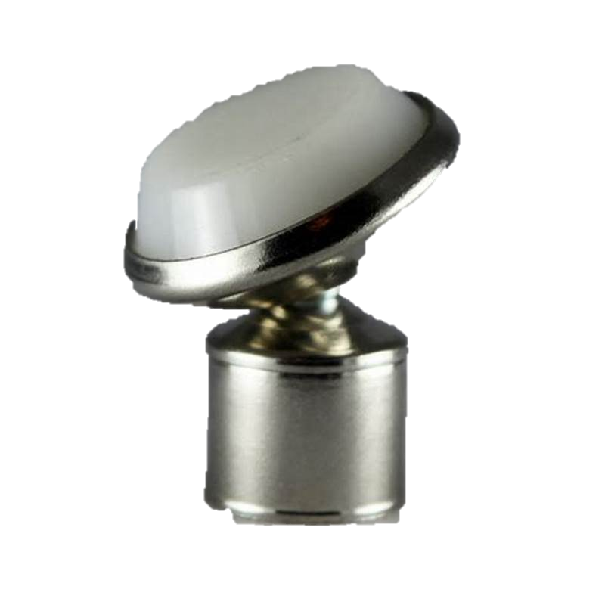 Supply and fix in location as per drawings Student Chairs, comfortable seating to students facing back or front, left or right. 120 kg weight capacity with no armrest 46cm seat height: 79cm H x 50cm W x 52cm D Durable 1.2mm thick welded steel frame with chrome finish High-density polypropylene shell, rivet-free shell (i.e. resting on the frame, not on rivets) Stackable up to 6 high Legs ending with rotatable socket with non-staining nylon base glide (pictured) Color selection shall be selected by Engineer. | NO. | 72 | 24 | 24 | 24
6.5 | Adjustable Stool | 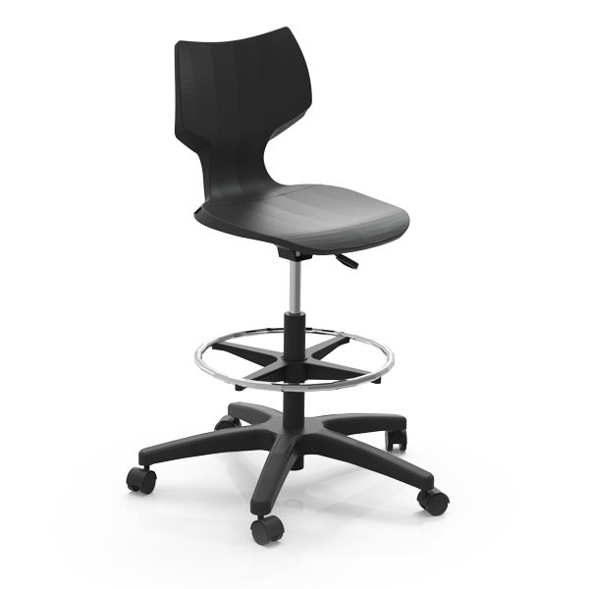 Supply and fix in location as per drawings Adjustable Height Stool, comfortable seating to teachers and working stations facing back or front, left or right. 5-star base in Black. Durable chrome footrest. Flavors Adjustable stool height ranges from 55-80cm. Casters shall be 5cm diameter of high quality. | NO. | 4 | 2 | 1 | 1
 | Steel Stool | 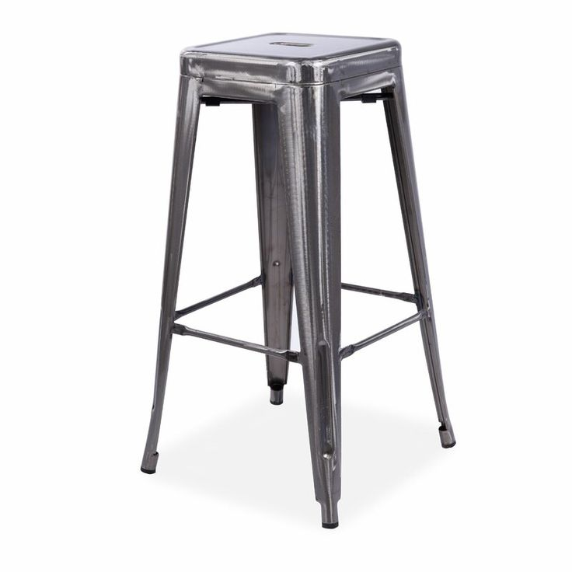 Steel stools having 30x30cm seat with 250kg weight capacity. Height of stool is 75cm. Stools shall look industrial as pictured and be stackable. | NO. | 30 | 10 | 10 | 10

7 | STEEL WORKS |  |  |  |  |  |  | TOT.
7.1 | Multilock Door | Supply and install factory made single leaf multilock fire-rated steel door of high quality (Teken Approved for 3-hour fire rating) with frame and all necessary accessories hinges locks, push bar for fire exit requirements. Price includes oven painting, fixing and all accessories. Price includes plastering works around the frame after installation, casting reinforced concrete around the door and over the frame and all according to engineer's instructions. Dimensions as shown on drawings. Color selection shall be approved by Engineer. | M.S. | - | - | - | -

8 | ELECTRICAL WORKS |  |  |  |  |  |  | TOT.
8.1 | Electrical Socket | Supply, Install, numbering and connecting 3-pin (Type H socket) Single-Phase double socket 16 Amp (Teken Approved), price includes 3*2.5mm2 cable, Φ20 self extinguish conduit, sockets, draw boxes and all accessories up to nearest DB as per drawings and specifications. | NO. | 8 | 6 | - | 2
8.2 | Network Socket | Supply, install, numbering and connecting network socket type CAT 3 M (Teken approced), price includes CAT6A cable, Φ20 self extinguish conduit, cover, draw boxes and all accessories connection up to nearest low voltage cabinet - connection and approval shall be coordinate with School Management and Engineer onsite. | NO. | 6 | 3 | 1 | 2
8.3 | Relocating Existing Socket | Relocate existing socket, price include, Installing new cover, numbering and connecting 3-pin (Type H socket) Single-Phase double socket 16 Amp (Teken Approved), price includes 3*2.5mm2 cable, Φ20 self extinguish conduit, sockets, draw boxes and all accessories up to nearest existing socket as per drawings and specifications. | NO. | 7 | - | 5 | 2
8.4 | Retractable Extension Cord Reel | Supply and install a ceiling-mounted retractable extension cord reel with a triple outlet (Type H sockets) and 180 degree swivel mounting bracket, minimum length 10 meter with Heavy Duty Power Cord, using 12/3 AWG SJTOW cable, with built-in 15 Amp Circuit Breaker, Grounded Triple Tap Connector, Rating 15A 125V 1875W. Lead cord length shall be minimum 1.5 meters. Price includes installation and connecting to socket at locations shown in drawings. | NO. | 6 | 2 | 2 | 2
 |  | 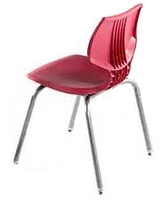
SUMMARY
1.00 | DEMOLITION AND DISMANTLING
2.00 | PLASTERING AND BLOCK WORK
3.00 | FLOORING
4.00 | PAINTING
5.00 | CARPENTRY AND JOINERY
6.00 | FURNITURE
7.00 | STEEL WORKS
8.00 | ELECTRICAL WORKS
...

