info 8
DIVISION 08: Ready Made furniture
Item No. | Description

 | Supply, delivery and installation of the following Ready Made Furniture :

8.01 | Conference Table Furniture
 | • High quality& heavy duty Conference Meeting table ideal for 22 person • Size not less than: 800 L x 250 Wx74 H cm •Tabletops have veneered finish •Center Pad shall be closed (Glass/Wood) •Structure:Electrostatic painted metal/wooden lacquered •Electrification covers: cable covers, top caps, cable trays. •Electrical & Network outlets (USB TYPE A & C ,Power.... & HDMI)

 | Refrence Image

8.02 | Swivel chair
 | • Mid high back Swivel chair , High quality& heavy duty • upholstered seat covered with artificial leather & mesh backrest • Adjustable armrest • Gas-lift mechanism & Synchronous mechanism • Casters(Double wheel) • 5 stars painted metal base • Lumbar support

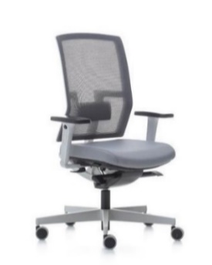

 | Refrence Image

TOTAL CARRIED TO NEXT PAGE

FORWARDED TOTAL
Item No. | Description

8.03 | Cantilever Chair
 | 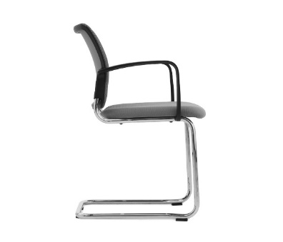 • High quality& heavy duty cantilever chair • chrome plated legs • upholstered seat & Back, covered with artificial leather • with fixed armrest

 | Refrence Image

8.04 | Service Table with fabric covers
 | • High quality& heavy duty Table • Wooden finish Tabletops • Electrostatic painted metal Structure • Size : 100 L x 80 Wx75 H cm • with fabric covers

 | Refrence Image

 | Notes :
 | for Items 8.01,8.02,8.03 & 8.04 , the contractor shall submit with his offer :

 | • Brand name & origin of the furniture
 | • Catalogues of the furniture
 | • Images for the selected furniture
 | • Full Description for the selected furniture including Finishes,dimensions ,colors & available options

DIVISON 08- (TOTAL CARRIED TO SUMMARY)

