Lot 1 - CG PV System
PUBLIC WORKS CONTRACT FOR THE SUPPLY AND INSTALLATION OF ROOF-TOP SOLAR PHOTOVOLTAIC SYSTEM IN EAST JERUSALEM
LOT 1 - CONSULATE GENERAL OF BELGIUM IN JERUSALEM
TENDER NO. PZA170421T-10040
ANNEX 1 - BILL OF QUANTITIES

Nr. | ITEM | DESCRIPTION OF WORK NEEDED / SPECIFICATIONS | UNIT | QUANTITY | RATE (EUR) | AMOUNT (EUR)

1.00 | Solar Photovoltaic Modules |  |  |  | TOT | € -
1.01 | PV Module | Supply and install Tier 1 solar panels modules with minimum 660 Wp | KWp | 21 |  | € -

2.00 | Solar Grid Tie Inverters |  |  |  | TOT | € -
2.01 | 20 KW Solar String Inverter | Supply and install top 10 Bankable Brand Inverter, 10 Years Warranty; monitoring system shall have at least 5 minimum updates, and records at least for 1 year. | Piece | 1 |  | € -
2.02 | Monitoring System | Supply and install network cable type CAT6A to connect between inverter and the main router. | L.M | 25 |  | € -

3.00 | Mounting Structure |  |  |  | TOT | € -
3.01 | Steel Supporting Structure | Supply and install hot dip galvanized steel structure sized to the dimensions of the selected PV modules and PV numbers using pre-fabricated solar mounting structure from Schletter or equivalent. Price includes submission of complete design package for mounting structure and cast-in-place foundation supports, taking into consideration the following design criteria (Wind Speed minimum 170km/hr, optimal angle 22 degrees, height of panel above floor level minimum 50cm, ofset of system shall be 1.5 times the difference in height between rows). Price includes, lifting structure components to roof, fixing in place, mounting accessories (clamps screws, etc.), clamps (at middle between PV panels and at ends), vertical supports, built-in cable tray, steel plates, concrete base casted at site with 2cm chamfer on all sides and all other works to render works complete to receive the panels. | L.S | 1 |  | € -

4.00 | Cabling |  |  |  | TOT | € -
4.01 | DC Cables | Supply and install Solar DC cables in accordance with drawings for connecting PV to PV, PV to DC Panel and DC Panel to Inverter. | L.M | 100 |  | € -
4.02 | Metallic Cable Tray | Supply and install metallic cable tray size 100x60mm with cover for laying black pipes inside | L.M | 15 |  | € -
4.03 | AC Cable
A | XLPE Cu 5x16mm2 | Supply and install AC XLPE Cu Cable size 5x16mm2 with all needed accessories to connect and operate AC PV Panel to grid or KWhr meter. | L.M | 20 |  | € -
B | XLPE Cu 5x35mm2 | Supply and install AC XLPE Cu Cable size 5x35mm2 with all needed accessories to connect and operate KWH Meter to existing DB within building. | L.M | 20 |  | € -
4.04 | MC4 Connectors | Supply and install MC4 Connectors | Piece | 8 |  | € -
4.05 | Flexible Conduit | Supply and install PVC black flexible tubing 16mm for laying DC cables inside; price includes connectors, fasteners, etc. | L.M | 100 |  | € -
4.06 | Rigid Mirelon Pipes | Supply and install rigid mirelon pipe 2/3 Inch for laying main AC cable inside the pipe from roof to MDB at ground floor; price includes clamps for proper fixation to building façade. | L.M | 25 |  | € -

5.00 | Panels and Components |  |  |  | TOT | € -
5.01 | Panels | Supply, install, test and comission electrical panels with all required mounting rails, bus bars, buses, wiring, conduits, protections, conduits, and all other material needed to complete the job ready for protected load powering according to Engineer's instructions. Body frame shall be made of 2mm galvanized sheet metail with IP65 rating, painted with anti-static primer paint and 2 coats of final polyester paint with one/two doors depending on size of panel. The panel shall be factory assembled c/w PVC coated Cu busbars of adequate size/s and all other accessories and civil works needed to complete the job; including but not limited to, trenches, power and control wires, terminals bus bars, neutral bus bar, eathing bus bar ducts, supports, wiring, bolts, hand mater keys, clamps, connectors, handle panel door locks, labels and numbers for all circuits. The Contractor shall submit detailed shop drawing for each panel required. Main supply lines shall enter from bottom.
A | DC Combiner Box | DC combiner box size 20x40x20cm. | Piece | 1 |  | € -
B | AC SMDB | AC sub mains distibution board size 20x40x20cm. | Piece | 1 |  | € -
C | MDB 3 Phase and KWH Board | Main electrical distibution board and KWHr board size 150x70x25. Price also includes civil works for closing existing window in location where the panel will be installed using 20cm block and plastering to render works accepted by electrical company and Engineer onsite. | Piece | 1 |  | € -
5.02 | DC CB 2 Pole 16A | Supply and install inside DC Combiner Box | Piece | 2 |  | € -
5.03 | MCB 4 Pole 40A | Supply and install inside AC SMDB and MDB 3 Phase and KWH Board | Piece | 2 |  | € -
5.04 | ELCB 4 Pole 40A | Supply and install inside AC SMDB | Piece | 1 |  | € -
5.05 | MCCB 4 Pole 63A | Supply and install inside MDB 3 Phase and KWH Board | Piece | 1 |  | € -
5.06 | SPD DC | Supply and install SPD 1500 VDC, Class 2, External, for over-voltage protecion in solar system, inside DC Combiner Box; European type or equivalent. | Piece | 2 |  | € -
5.07 | SPD AC | Supply and install SPD Class 2, External, for over-voltage protecion inside AC SMDB; European type or equivalent. | Piece | 1 |  | € -

6.00 | Grounding Components |  |  |  | TOT | € -
6.01 | Earth Cables 6 mm2 | Supply and install eathing cable 6 mm2 with all needed accessories to connect and operate in accordance with drawings. | L.M | 20 |  | € -
6.02 | Earth Cables 6 mm2 (unshielded for cable tray) | supply and install earth cable 6 mm2 unshielded for cable tray installation with all needed accessories to connect and operate in accordance with drawings. | L.M | 30 |  | € -
6.03 | Earth Cables 10 mm2 (for structure and PV) | Supply and install eathing cable 10 mm2 for structure and PV with all needed accessories to connect and operate in accordance with drawings. | L.M | 50 |  | € -
6.04 | Main Earth Cables 16 mm2 | Supply and install main earthing cable 16 mm2 with all needed accessories to connect and operate in accordance with drawings. | L.M | 20 |  | € -
6.05 | Earthing Box | Supply and install earthing box size 30x20x10 cm. Body frame shall be made of 2mm galvanized sheet metal with IP65 rating, painted with anti-static primer paint and 2 coats of final polyester paint with one door. The panel shall be factory assembled with all accessories. | Piece | 1 |  | € -
6.06 | Busbar Earth | Supply and install earthing busbar 6 holes. | Piece | 1 |  | € -
 |  | 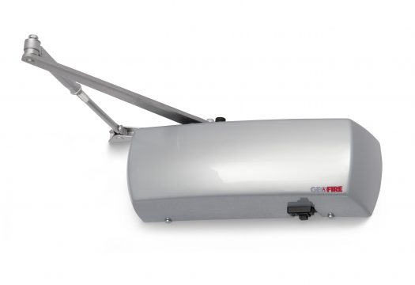
7.00 | Warning Signs |  |  |  | TOT | € -
7.01 | Engraved Sign | Supply and install warning signs of engraved 2mm aluminum size 15x7.5cm for all panels, steel structure, including AC Side and DC Side; price includes all accessories. | Piece | 10 |  | € -

8.00 | Civil Works |  |  |  | TOT | € -
8.01 | Relocation of Roof Obstructions | The Contractor shall carry out proper relocation of five (5) outdoor AC units near parapet to avoid obstructing solar panel system and to allow for maximization of space on roof in coordination with Engineer onsite; price includes rendering all system functional after relocation. | L.S | 1 |  | € -
8.02 | Demolition of Chimneys | 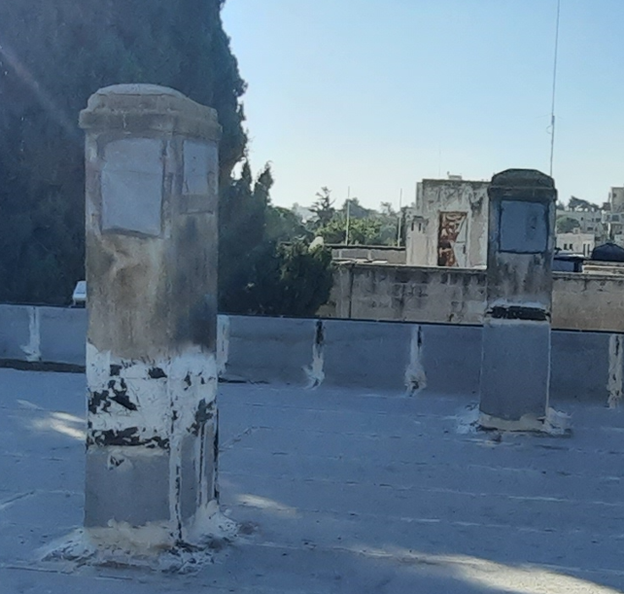 The Contractor shall carry out the shortening of three (3) old roof chimneys sized 80cm x 50cm with an average height of 1.7m which are not functional; price includes removal of copping manually, demolishing of chimney walls and reinstalling the copping thereafter when reaching the proper height of chimney in which it is not obstructing the solar system. | L.S | 1 |  | € -
8.03 | Fire Extinguisher | Supply and install portable fire extinguisher of 2 Kg Co2 in locations identified by Engineer. The installation shall be complete with brackets, warning sign, and in accordance with Civil Defence requirements. | Piece | 2 |  | € -

9.00 | System Connection |  |  |  | TOT | € -
9.01 | Electrical Grid Connection | The unit price shall be inserted as a percentage above 100% for overhead and profit related to connecting the system to the grid. The quantity is an estimated fee from JDECO and will be adjusted according to actual fees/stamped invoices submitted from either, Registered Electrical Engineer, JDECO or Civil Defence for works that are related to system connection to grid; including but not limited to, 3 Phase Energy Production Meter, 3 Phase Bi-Directional Energy Meter, testing, application fees, etc. | Percentage | € 1,000.00 |  | € -

 | SUMMARY
1.00 | Solar Photovoltaic Modules |  |  |  |  | € -
2.00 | Solar Grid Tie Inverters |  |  |  |  | € -
3.00 | Mounting Structure |  |  |  |  | € -
4.00 | Cabling |  |  |  |  | € -
5.00 | Panels and Components |  |  |  |  | € -
6.00 | Grounding Components |  |  |  |  | € -
7.00 | Warning Signs |  |  |  |  | € -
8.00 | Civil Works |  |  |  |  | € -
9.00 | System Connection |  |  |  |  | € -

 |  |  |  |  | Total for Lot 1 in Euros (exclusive of VAT) | € -
 |  | Total to be reported in tender specifications, cf. X.X Tender form - Prices, p.XX

 | Name of Tenderer (Company)
 | Authorized person to sign
 | In the Capacity of
 | Date | 2024-02-07 | 2024-02-07 09:08:52
 | Signature |  | Stamp

