PZA170421T-10055-KG
TENDER NO. PZA170421T-10055
PUBLIC WORKS CONTRACT FOR “THE CREATION OF AL-SAFA KINDERGARTEN AND THE REHABILITATION OF AL-SAFA BASIC SCHOOL IN BEIT SAFAFA
Annex 1 - Bill of Quantities / Al-Safa Kindergarten
CONSULTANT: Hosh Studio
Nr. | ITEM | DESCRIPTION OF WORK NEEDED / SPECIFICATIONS | UNIT | QUANTITY | RATE € | TOTAL EURO

1 | EXCAVATION, DEMOLITION, & EARTH WORKS |  |  |  | TOT | € -
1.01 | Carefully demolish the existing block, gupsum walls, cutting stone for opening door & windows in room 1 & room 3 taking into consideration the arc shape of the stone and creating clear rectangular openning according to table of windows in drawing A03 | Rate also includes: - Removing the existing metal protection, window, any closing materials... to open the window - carting away the debris. All according to the drawings and to the instructions of the Director of Works. | m2 | 3 |  | € -
1.02 | Removing and keeping the first 5 steps of existing Stone staircase, according to the direction of the supervising engineer, keeping the stne to be used later in the project | Rate includes : - required reinforcement during the removal, - removal of surplus material from site to an approved dumping area, all according to specifications and the directon of diector engineer. | lumpsum | 1 |  | € -
1.03 | Breakdown and remove the existing concrete flooring in the court up to 30 cm depth | Rate also includes backfill underneath to reach the required level & carting away debris. All according to the Director of Works. | m2 | 40 |  | € -
1.04 | Chiseling and excavaion of the existing Rock in room 3 to reach 30cm depth below the finish floor level | Rate also includes backfill underneath to reach the required level & carting away debris. All according to the Director of Works. | m2 | 18 |  | € -
1.05 | Dismantle carefully the existing sultani tiles, keeping, cleaning and cutting to create regular forms according to directions of the director of work to be reused in the new tiling of the court. | Rate includes carting away the debris. All according to the drawings and to the instructions of the Director of Works. | m2 | 26 |  | € -
1.06 | Carefully dismantling the old stone of the outdoor room, numbering and keeping to rebuild the room with the same stone and the same order of the original form. & removing the depris of walls and floor excavation to prepare the location for the new works of toilets. | Rate includes : - required reinforcement during the removal, - removal of surplus material from site to an approved dumping area, all according to specifications and the directon of diector engineer. | lumpsum | 1 |  | € -
1.07 | Optional item according to the need of site: Filling any hidden wholes- septec tanks- well or any other openning under the ground slab. Rate includes supplying and casting concrete and stone mix. | Rate includes: supplying: 60% of the volume with B150 ready mix concrete 40% of the volume with natural clean rock different sizes make sure rocks will be surrrounded with 10 cm concrete min. | m3 | 10 |  | € -
1.08 | Demolision & removal of existing stone wall (Sensila), preparing the site to start the works of building the new reinforced concrete wall | Rate includes: - Safety fence with the neighbors - removing the debris. All according to the drawings and to the instructions of the Director of Works. | lumpsum | 1 |  | € -
1.09 | Works of underground ventelation tunnel that include: 1. Excavations of underground tunnle for stone ventilation with depth of 30 cm and width 30 cm along the internal walls 2. installing perforated pipes 4" 3. Single grade stone filling (Size of grade 1.5" with no fines) in addition to closing the outdoor endings for pipes with mesh and cloth 4. Filter Fabric to seperrat earth from tunnel All according to detail sheet No. A06 5. installing 4" PVC pipes next to the wall with hieght of 2.5 m 6. Extensions & air cap vents to cover the endes of pipes as drawings | Rate includes carting away the debris. All according to the drawings and to the instructions of the Director of Works. | m (linear) | 64 |  | € -
1.10 | Excavations for any kind of soil, rock, concrete screed etc., for the Foundation of the wall and the foundations of the new outdoor room | The rate includes compacting the soil of subgrade level at 98% at least Removal of surplus material from site to an approved dumping area, all according to specifications and the directon of diector engineer. No allowance will be made for increase in bulk after excavation. No allowance will be made for working space. | m3 | 12 |  | € -
1.11 | Excavations for underground ventelation and air conditioning systems for room 2 according to details sheet No. M03 | Rate includes carting away the debris. All according to the drawings and to the instructions of the Director of Works. | m3 | 6 |  | € -
1.12 | Dismantle and removal the existing doors, steel protection, shutter and gates of the rooms and main entrance. | Rate includes carting away the debris. All according to the drawings and to the instructions of the Director of Works. | no. | 2 |  | € -
1.13 | Dismantle the existing metal fence on the roof and reinstall it after installing the new metal fence in proper way and according to directions of director of work | Rate includes carting away the debris. All according to the drawings and to the instructions of the Director of Works. | m2 | 20 |  | € -
1.14 | Cleaning the existing stone & removal of existing mortar in the facade by manual cleaning with a good cleaning of the dust, with the treatment of the damaged stones, and pointing with white cement mortar, including water proofer material (Begy Bond) or equivalent. including the cleaning, pointing, and fixing the exxisting stone steps. | Rate includes carting away the debris. All according to the drawings and to the instructions of the Director of Works. | m2 | 110 |  | € -
1.15 | Dismantaling the cocrete parapet to prepare the surface for the new cocrete in addtion to removal of damaged areas concrete screed | Rate includes: dismantiling the stone carfully and store it for reuse remove the stone backing to reach the wall top level (structural level) for damaged areas remove the concrete to reach stiff edges remove soil or any plants remove all the debris prepare the surface for concrete casting (stright, smooth, with blinding concrete) | m (linear) | 75 |  | € -
...
7.17 | Supply and install rust-free aluminum construction for downspout rain gutter with dimensions of 3"*4" in order to guide rainwater along the wall, rates includes downspout bands or clips and its crimped end, elbows, & extensions, Rate includes what is necessary for installation, color will be chosen by the director of work Also it will be used to cover air conditioning installations on the external walls |  | m (linear) | 26 |  | € -

8 | Water insulation |  |  |  | TOT | € -
8.01 | Supply and install water insulation Under toilets floor tiles | Two coating layers of NITROPROOF or equivalent waterproofing material under floor tiles, 2mm thick for each layer, and to keep 24 hours between the two layers. Rate includes (Gluns) sanding layer (Cement and Sand 1:1) And the necessary work and treatment of angles, connections, and ends according to the manufacturer's instructions. And inspect the insulator after installation by immersing the surface with water at a depth of not less than (5) cm above the highest point, and all that is necessary according to the plans, specifications, and instructions of the engineer. Quantity will be calculated according to the horizontal plan only, no addition for vertical quantities. | m2 | 6 |  | € -
8.02 | Supply & install one primer coating and one 4mm thick layer of modified bituminous membrane approved by director engineer on a clean surface in addition to cleaning all drainage gutters and openinigs on the roof , rate includes removal of old bituminous membrains | Price includes a layer of cemntious insulation (Glans)+primer+bitumenous membrane | m2 | 145 |  | € -

9 | FURNITURE & EQUIPMENTS |  |  |  | TOT | € -
9.01 | Supply and install natural pine wood planter box 60cm width * 120 cm length and 82 cm high with raised leges . | Rate includes that wood should be treated to prevents rot and pests, wood should be sanded, sealed & lacquered with 3 coats of weather-resistant and water proof color such as lacquer or varnish. The plastic container or plastic lining inside the wooden frame with drainage openings The contractor should submmit a shop drawing or datasheet for manufactured planters. All according to the instructions of Director of Works | no. | 12 |  | € -
9.02 | Supply & install WPC garden bench combined with iron casting, including a double layer of protection , heat insulation, light weight, natural texture and excellent wear resistance, the bench can be fixed to the floor. Width - 1.52 cm, depth - 47 cm, height - 74 cm. |  | no. | 2 |  | € -
9.03 | Supply & install WALL PLAY PANELS consists of at 4 different types of exercises, see photo at A05 - The coloured panels are made from a 13mm thick compact material (HPL). - The fixings are made of stainless or plated steel and protected by anti-vandalism polyamide caps. | Rate includes installation on the wall. Equipments should meet the TAKEN requierments, from paturiz or urbanix or equivelant. contractor is required to submit the manufacturing catalogues for the equipments to obtain the approval prior supplying. | no. | 4 |  | € -
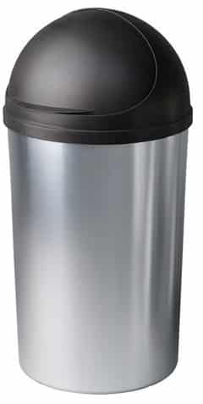
9.04 | Supply Plastic Trash bins (Look as metal) 60 liters |  | no. | 1 |  | € -
9.05 | Supply outdoor Plastic Trash bins 60 liters |  | no. | 2 |  | € -
9.06 | Supply & install set of table 60*60 cm with height of 52cm with 2 wooden chairs 30*30cm made of Beech wood and the surface of table and chair are made of 1.5 cm pywood covered with Formaica- formix or equivelant colors will be chosen by director of work |  | no. | 8 |  | € -
9.07 | Supply & install set of table diameter 180 cm with height of 52cm made of 25 mm thick melamine board which includes a gray molded edge that protects the board from damage, with 6 full plastic student chairs, iron frame chairs with a back and seat made of plastic or quality handmade wood. chairs height 34 cm. sample should be approved by director of work |  | no. | 3 |  | € -
9.08 | Desk for teacher which is set of table & chair. A rectangular table 120*80 cm with a square profile 40/40 square profile oven paint, the surface of table and chair are made of 1.5 cm pywood covered with Formaica- formix or equivelant, full plastic teacher chair |  | no. | 2 |  | € -
9.09 | White board with moveable stand 90*180cm High-quality double-sided magnetic erasing board with a black frame SLIM BLACK model. Made from aluminum frame The board stands on a metal stand with wheels for mobility in the room and a rotating axis. A place for pens and eraser |  | no. | 2 |  | € -
9.10 | Supply and install Rubber Wall Corner Guard Edge Protector, 1x1x36 inch |  | m2 | 60 |  | € -
9.11 | Supply Hakona stool puff, grip ring diameter 60 cm Shiny washable fabric, easy to clean |  | no. | 6 |  | € -
9.12 | Supply & install Customized Acrylic Traffic 360 Degree PC Half Dome Ball Mirrors |  | no. | 1 |  | € -
9.13 | Supply & install 4" x 30" Anti Slip Stair Tread with Reflective Stripe,Best Grip Non Slip Tape,Non Skid Tape, High Traction Adhesive for Stairs Step, Black Cosimixo for stone steps and entrances of classes and main gate |  | no. | 28 |  | € -

10 | PLANTING WORKS |  |  |  | TOT | € -
10.01 | Supply and plant the following: | Supply, install, spread, and make good minimum 60 cm agricultural red soil in planters to be ready for planting .Rate includes adding compost. All according to the drawings and to the instructions of the Director of Works.
10.01.1 | Lavandula (common name lavender) | minimum height 30 cm | no. | 4 |  | € -
10.01.2 | Salvia officinalis, the common name sage | minimum height 30 cm | no. | 6 |  | € -
10.01.3 | Hedera, commonly called ivy | minimum height 30 cm | no. | 12 |  | € -
...
12 | ELECTRICAL WORKS |  |  |  | TOT | € -
12.04.4 | Nisko set including 2X ( 16 A power sockets ) including 4 space for LV including all power cables to Electrical panel.
12.04.5 | 2 pole switch with indication light boiler switch |  | no. | 18 |  | € -

12.05 | Main Electrical Distribution Panels Sport Electrical Panel
12.05.1 | Supply and installation of the equipment listed below: Rate includes transporting, storage support, connection to power field and factory testing, shop drawing and all items described in the Technical Specification and Layout as on complete system | The electric switchboards shall be produced by a switchboard manufacturer certified by the Standards Institution of IEC 61439-2 . The switchboards must be ASSEMBLY system. The switchboard manufacturer shall be capable to provide engineering services both in consultation and maintenance. | no. | 1 |  | € -
12.06 | Lighting System
12.06.1 | Lighting point Internal / External lighting point (N2XY 3x1.5 mm2) | Supply, install, connect, test and commission a complete lighting point including all conductors, fire retardant rigid PVC conduits, N2XY cables (3*1.5mm2), switches , boxes, connection cables and all other accessories. as per drawings specifications and related standards. | no. | 13 |  | € -
12.07 | Lighting Fixtures | Supply, install, connect, test and commission complete lighting fixture, including all supports, lamps ( Philips , Cree LED ), suspensions, clamps, switchgears, internal conductors and/or cables, and all other accessories necessary as per drawings, specifications and related standards. All lighting fixtures should be fixed to concrete celling an hanged by 2 steel ropes. Approved manufactures for this section is Philips, Osram, Sylvania or engineer's approved equal.
12.07.01 | Flat 120 cm, LED light fixture for magnetic accumulation strip 48V, extremely high light quality CRI>90 in a delicate and elegant design,30 w 6000K, 5 years warranty Includes a magnetic connection and a mechanical catch to secure the body to the bar. Provides flexibility in installation and a durable connection over time |  | no. | 16 |  | € -
12.07.02 | Ditto but 90cm |  | no. | 2 |  | € -
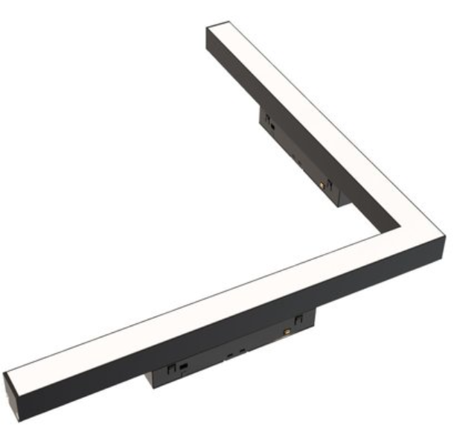
12.07.03 | Flat L-shaped LED, spot for magnetic accumulation strip, 48V, 14w,6000K, (length& width)30cm, 5 years warrantyextremely high light quality CRI>90 in a delicate and elegant design. Complements the lighting of a corner connection perfectly. |  | no. | 12 |  | € -
12.07.04 | WP. IP65, 6500K, 39 watt, 4400 lm poly-carbonate as Ledvance damp proof or approved equal surface mount lighting fixture, 5 years warranty |  | no. | 2 |  | € -
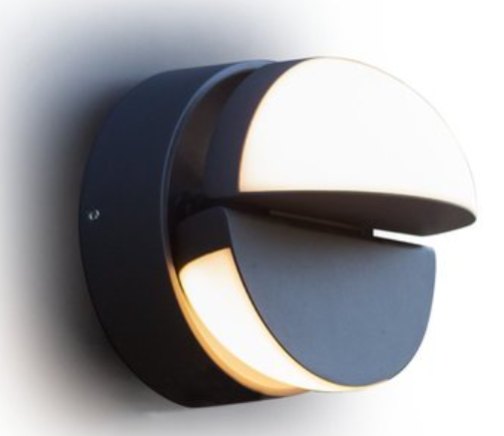
12.07.05 | LED lighting fixture attached to the wall/wall, IP65 impermeability class in a classic design. A unique and particularly convenient installation without the need to open the body, 5 years warranty |  | no. | 4 |  | € -
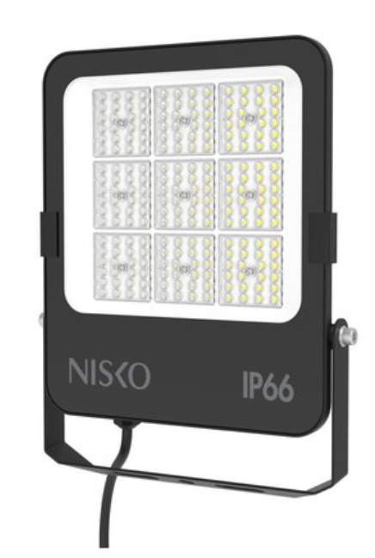
12.07.06 | Slim LED flood lighting body , with an innovative design including a 270-degree directional arm, 100W for a body with high luminous efficiency - 110Lm/W. Frost cover or unique illumination angle 90 degrees to prevent light scattering and optimal illumination. 5 years warranty. |  | no. | 2 |  | € -
12.07.07 | Signage adapted to LUXX /XT 3W exit sign. The height of the sign is 15 cm, exit sign straight down arrow, Rechargeable lighting and emergency lighting |  | no. | 3 |  | € -
12.09 | Low Voltage Points
12.09.1 | Standalone Fire Alarm detector, supply & Install | Coverage up to 40 m² within a room Integrated very loud alarm signal: 85dB 3V lithium battery Cyclical real self-test function with automatic test alarming Mute option CE according to EN 14604 5-year battery life | no. | 3 |  | € -
12.09.2 | Data Points (Data, Telephone, Camera, Monitor) | Supply, install, connect, test, label and commission complete data point including conduits ( hard PVC outdoor ) boxes, RJ-45 (3M, DATWYLER or R&M ) socket outlet with 8 pins being crimped and also earth pin for (Cat 6A) FTP data cables as per drawings, specification and related codes | no. | 35 |  | € -
12.09.3 | PA speaker including cables 2x1.5 mm2 & Conduits up to LV |  | no. | 5 |  | € -
12.09.4 | Supply, install, connect, test, label and commission complete data cable including ( hard PVC outdoor ), boxes, RJ-45 (3M, DATWYLER or R&M ) socket outlet with 8 pins being crimped and also earth pin for (Cat 6A) FTP data from data switch inside service building to NVR location inside school camera monitoring room. rate includes connection to existing camera system |  | m (linear) | 100 |  | € -
12.09.5 | 16 port Web-managed PoE Switch 802.3af/at PoE standard 8-core Data monitor and control for the important ports EXTEND mode available to extend the network cable transmission distance to 250 meters Buffer optimization to guarantee the video data transmission VLAN configurable Port trunk STP, multicast and port mirroring IEEE802.3, IEEE802.3u and IEEE802.3x network standards available MTBF (Mean Time Between Failure) ≥ 100,000 hours All-metal enclosed construction rack-mounted |  | no. | 1 |  | € -

12.10 | CCTV SYSTEM/ IP CAMS | Supply, install, test & commission complete IP, CCTV system as shown on drawings & specifications rate includes all needed for the installation and operation such as arms, suspensions,... as per Hikvision, Bosch, Honeywell, or Approved Equal
12.10.1 | Outdoor Cameras (IP Network) | 5MP PoE IP Camera 4mm Lens IR Network Camera Outdoor 3-axis Night Version IP67 ONVIF H.264, Up to 5MP(2560×1920@20fps) and output of 3MP(2048×1536@25fps) real-time image ~ Using ROI, SVC and other video compression technology, high compression ratio, and the processing is very flexible, ultra-low bit rate Progressive scan CMOS, captures moving images without jagged edges ~ Support PoE ~ Support Micro SD/SDHC/SDXC card (128G) local storage Support a pair of input and output audio, support voice intercom ~ High efficiency infrared lamp, long service life, irradiation distance of up to 30 meters ~ Support a variety of intelligent alarm function ICR infrared filter automatically switches to achieve true day and night monitoring ~ Support three streams, support for mobile phone monitoring ~ IP67-class dust and water proof , high reliability Web Viewing Open IP Standards , Vandal Proof outdoor mount wall, ceiling bracket, extensions. | no. | 5 |  | € -
12.10.2 | Network Video Recorder 4K NVR | • Third-party network cameras supported • Up to 12 Megapixels resolution recording • Video outputs at up to 4K (4096*2160) resolution •Supports decoding up to 20 channels at 1080P resolution • Up to16 IP cameras can be connected with 512M/768M incoming bandwidth • Supports H.264+,H.264,MPEG4,H.265,MJPEG video format • Support redundant power supply to improve the system stability • Support HDD hot swap with RAID0,1,5,6,10 storage scheme configurable •Support various VCA detection alarm and VCA search | Set | 1 |  | € -
12.10.3 | Storage | 1 TB CCTV Surveillance storage Rack Mount | Set | 1 |  | € -
12.10.4 | Monitors & PC | 48" LED full HD smart monitor same CCTV system manufacturer including connection to system. Mouse & keyboard | Set | 1 |  | € -
...

