Bill of Quantity
PUBLIC PROCUREMENT CONTRACT FOR THE FABLAB TRANSFORMATION WORKS AND FURNITURE SUPPLY IN JERUSALEM AMERICAN SCHOOL
TENDER NO. PZA170421T-10054
Annex 1 - Bill of Quantity

No. | Item | Description of Works | UNIT | Quantity | Unit Price (EUR) | Amount (EUR)
1 | DEMOLITION AND DISMANTLING |  |  |  | TOT. | € -
1.1 | Dismantle | Dismantle/maintain, relocate all existing furniture and electrical systems to a location in coordination with School Management and Engineer's instructions wihtin school premises; such as but not limited to, tables, piano, chairs, furniture, all existing electrical low voltage cabinets, cables, sockets, in addition to windows and doors intended for dismantling on drawings, wall mounted heating radiators, etc. All systems and appliances will be considered as fully functional at the moment of the dismantling, unless documented otherwise by the joint inventory of fixtures to be co-signed by the school principal. | Job | 1 |  | € -
1.2 | Demolition | Demolition of existing walls' partitions in addition to creating door openings were called out on drawings, whether block or gypsum, as highlighted on drawings. The price includes the removal of construction waste outside the site to a designated dump site. | Job | 1 |  | € -

2 | GYPSUM WORK |  |  |  | TOT. | € -
2.2 | Gypsum Ceiling | Supply and install waterproof gypsum board MR 12.7mm, for false ceilings with studs at every 40cm in both directions including decorations, forms, trims with all connections supports, fixing, putty sealer, wire mesh and special angles for edge of boards and all necessary accessories needed for the best completion of works. The price shall include for all opening of air condition grills, light fixture and the like. The contractor shall provide a shop drawing for architects approval, works include painting with acrylic paint three coats of supercryl2000 or equivalent after preparing the surface according to specifications, and all according to engineer's instructions. Measurements will be made for the area in meter squared for all visible faces (vertical and horizontal sides). Price also includes for 10 built-in aluminium access panels size 50x50cm. | m² | 160 |  | € -
2.3 | Gypsum Partition | Supply & install gypsum boards 12.7mm thick each board to close of windows and door areas upon dismantling, one board from each side with horizontal studs on bottom and top and vertical ones every 40cm, the gypsum boards are fire resistant (red), the gap between the gypsum boards to be filled with wool rock 5cm thick and 80kg/m3 density and all according to specifications, price includes installing corner beads and joint tape using putty according to specifications. (see https://www.usg.com/content/usgcom/en_CA_east/resource-center/gypsum-construction-handbook.html ) and to engineer's instructions. | m² | 10 |  | € -

3 | FLOORING |  |  |  | TOT. | € -
3.1 | PVC Flooring for Design Space and Demonstration Area | Supply and install Vinyl flooring of 2mm thickness (adhesive PVC) for the Fablab floor of a first-class quality conforming to EN Standard EN ISO 10874 Class 34-43 for areas considered for public and commercial/light industry use. The flooring shall comply to the follow criteria: 1. Fire resistant class B-S1 in accordance with EN 13501-1. 2. Slip resistent class R9 in accordance with DIN 51130/BGR 181. 3. Resistent to chemical products and water – spills can easily be wiped or mopped away without causing damage to your floor. 4. TVOC after 28days shall be <10 µg/ m3 in accordance with ISO 16000-6. The Contractor shall submit datasheet and color selection for approval by Engineer. Installation shall be performed only by a Certified Worker. Note: All angles shall be cut at 45 degrees using a proper angle cutter guide by a Certified Worker. | m² | 130 |  | € -
 |  | Unit price rate shall include for surface preparation, leveling, positioning, applying of primer glue (shall be compatible with vinyl flooring material) rolling out using cork smooth press and a 50kg roller when installation is complete, trimming the edges in perfectly straight edges, welding, putting into service and furniting the space to ensure ends of chairs/tables do not damage the space. The Unit Price includes for skirting quantities. Furthermore, the skirting work must be continuous with minimum number of joints and according to the supervisor engineer instructions. The skirting shall include for PVC capping strip clip system - see picture below for illustration - for watertightseal and an internal corner system, including both in and out as needed.
3.2 | PVC Skirting | Supply and install waterproof PVC skirting, made of recycled material. The height 7-10 cm. The price includes removing the existing skirting and all material needed to install the skirting on the walls. The contractor should submit samples for color and shape. | M.L | 110 |  | € -
3.3 | Replace damaged tiles | Supply, Install and finish Pre-cast pre-polished Colored Terrazzo Tiles size (30x30x3) cm to match with existing, with Italian marble chipping # 6. Price to include bedding and jointing in cement and sand mortar, pointing with white cement, required adasiyah fill,. and on site grinding where required, polishing and cleaning. Mortar topping shall be from italic quarts. And the thickness of the top layer shall not be less than 1cm. Price Include Rmoving the Existing Tile where required and directed by the Engineer. | m2 | 75 |  | € -

4 | PAINTING |  |  |  | TOT. | € -
4.1 | Wall Paint | Supply and paint high quality emulsion paint, for walls. Price includes, preparing surface, cleaning, removal of dust and foreign material, sanding with sand paper and removal of all existing paint layers, checking the walls with a synthetic powder putty to fill holes and seal fine cracks, applying one priming coat and two finishing coats, using two coats of complete putty; all from an approved company and all according to engineer's instructions. Color selection shall be approved by Engineer. | m² | 500 |  | € -
...
5.4 | Computer Desks | The table board shall be made of pre-cut plywood (SANDWICH), best quality. Thickness of table board shall be 17 mm, dimensions. Formica thickness: 0.8mm the color to be chosen by the engineer covers. All edges should be covered by plastic belt, thickness (2mm), colour black. Plastic angle heels (quantity: 4) are to be installed under the table. Samples and color selection shall be submitted for approval by Engineer. Size of desk L80*W70*H72 cm. | No. | 32 |  | € -
5.5 | Teacher Desk | The table board shall be made of pre-cut plywood (SANDWICH), best quality. Thickness of table board shall be 17 mm, dimensions. Formica thickness: 0.8mm the color to be chosen by the engineer covers. All edges should be covered by plastic belt, thickness (2mm), colour black. Plastic angle heels (quantity: 4) are to be installed under the table. Samples and color selection shall be submitted for approval by Engineer. Size of desk L100*W70*H72 cm. | No. | 1 |  | € -
5.6 | Supplies Cabinet | Supply and install Floor Mounted wooden cabinet with 7 drawers. The cabinet internal sides, bottom, partitions,and drawers (lateral and back) sides shall be of 17mm MDF, laminated with 0.5mm formica sheet. The front sides of drawers shall be made of 17mm MDF painted with two coats of lacquer paint over one primer coat. Rear sides of cabinets and drawer's bottom shall be of 6mm HDF coloured white on the internal side. Price to include wooden skirting offseted 10cm from face of countertop as shown in details, soft-close drawers with telescopic rails, ironmongery, handles, and all the necessary accessories as per supervisor engineer instructions and the detail drawings and specifications. Samples and color selection shall be submitted for approval by Engineer. Approximate Unit dimensions - L100 cm. H90 cm. W80 cm. | No. | 1 |  | € -

6 | FURNITURE |  |  |  | TOT. | € -
6.2 | Coat Hanger | Supply and install 100cm length by 15cm width (depending on certain locations it may be substituted with 2 equal 50cm by 15cm coat hangers for limited spaces) using solid wood (matching with cabinets countertop) coat hangers with 10 evenly distributed chrome plated lab coat hangers as shown in picture below. The contractor shall submit sample for approval. Exact location of installation shall be coordinated with Engineer. | No. | 2 |  | € -
6.3 | Workstation | Supply and install workstation tables as shown in details. - The work surface shall consist of 38mm thick birchwood butcher block table top. The blocks shall be randomly placed, minimum length of 15cm, finger jointed birchwood. The corners are finished with a 3mm radius. Surface to be finished with two coats of matte lacquer or wood oil, to be approved by engineer after submitting samples. - The steel frame shall consist of two fully welded slanted leg segments, two transversal beams and two slanted steel angles for extra support. Legs and support beams consist of 60mm x 60mm x 2 mm thickness steel square tubes. The slanted angles are made of 65 mm x 65 mm x 2mm thickness steel. - All steel shall be oven painted after welding. Color selection shall be submitted and approved by Engineer. - The work surface is attached to the steel structure with at least six screws for Student Workstation and at least eight screws for the teacher station using #10 x 16mm long Philips pan head wood screws through 2 mm thickness steel mounting plates. - Casters shall be locking type 10cm diameter of high quality, polyurethane with iron core compatible with vinyl flooring material and specifications. - The Contractor shall submit outline print of steel profile bends using actual scale for approval prior to proceeding with fabrication.

a | Student Work Station | Table size 160 cm. Length 90cm. Width, 75cm Height | No. | 6 |  | € -
b | Demonstration Station | Table size 210 cm. Length 120cm. Width, 100cm Height. Neodyme magnets to be fixed under the countertop allowing an easy and stable suspension of the stools when not in use (four magnets per stool for three stools on each side). Magnets to be fitted with countersunk hole to allow for screwing them (pictured). | No. | 2 |  | € -
6.4 | Student Chair | 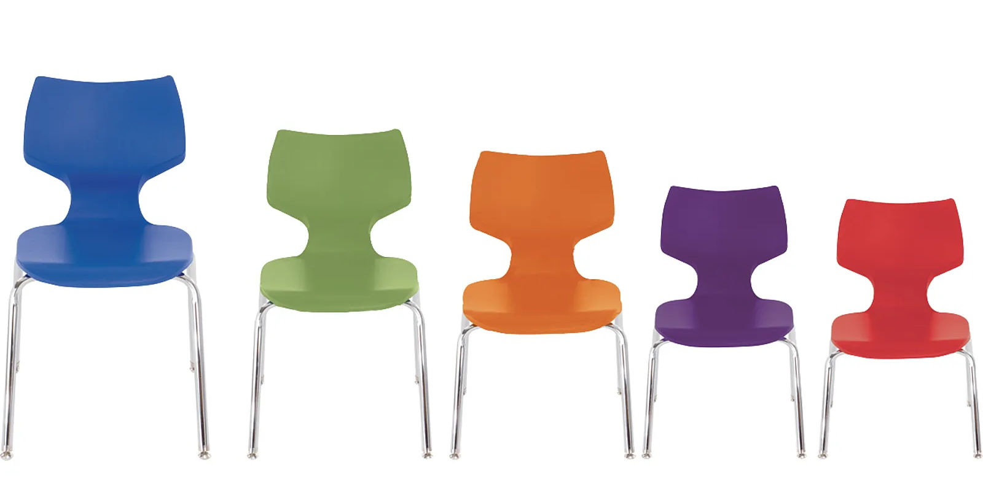 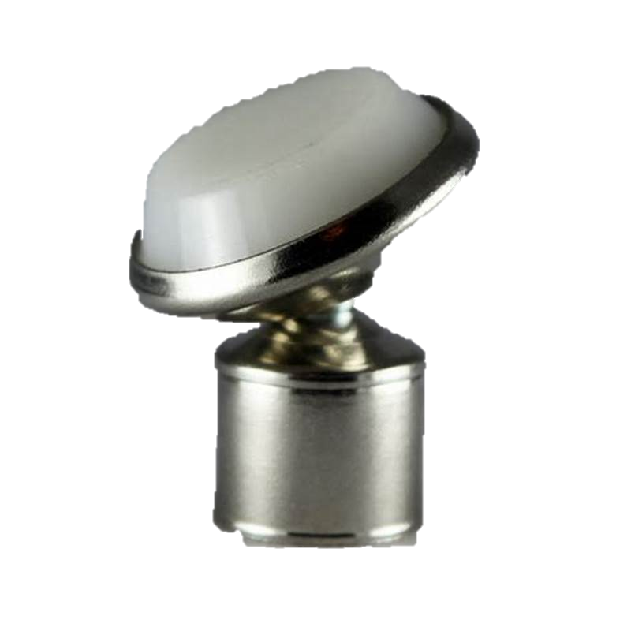 Supply and fix in location as per drawings Student Chairs, comfortable seating to students facing back or front, left or right. 120 kg weight capacity with no armrest 46cm seat height: 79cm H x 50cm W x 52cm D Durable 1.2mm thick welded steel frame with chrome finish High-density polypropylene shell, rivet-free shell (i.e. resting on the frame, not on rivets) Stackable up to 6 high Legs ending with rotatable socket with non-staining nylon base glide (pictured) Color selection shall be selected by Engineer. | No. | 56 |  | € -
6.5 | Adjustable Stool | 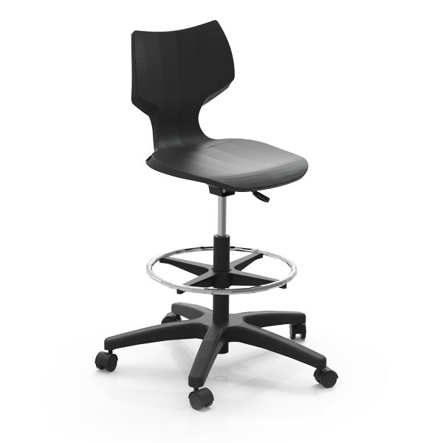 Supply and fix in location as per drawings Adjustable Height Stool, comfortable seating to teachers and working stations facing back or front, left or right. 5-star base in Black. Durable chrome footrest. Flavors Adjustable stool height ranges from 55-80cm. Casters shall be 5cm diameter of high quality. | No. | 3 |  | € -
 | Steel Stool | 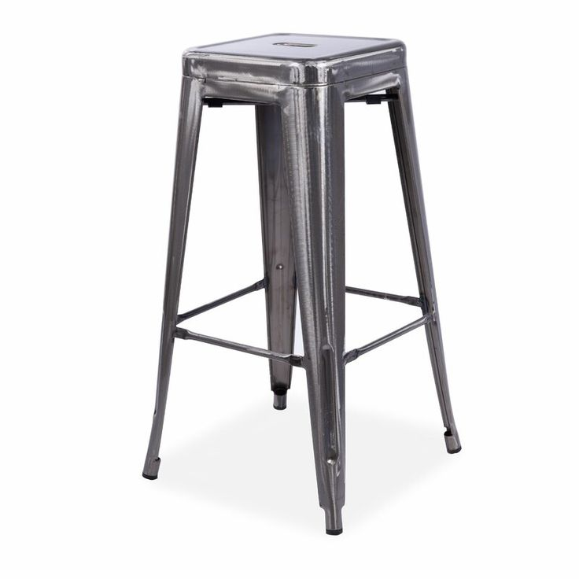 Steel stools having 30x30cm seat with 250kg weight capacity. Height of stool is 75cm. Stools shall look industrial as pictured and be stackable. | No. | 12 |  | € -

7 | DOORS |  |  |  | TOT. | € -
7.1 | Aluminum partition/door (PROVISIONAL ITEM) | Supply and install aluminum partition walls and double leaf hinged door at center using profile 4300 or equivalent (narrow & iron look) with hinged doors kllil profile or equivalent by an approved manufacturer, works include 10mm hardened (tempered) glass, price shall include all supporting structure needed from manufacturer , and all aluminum angles of any width and the same aluminum colour,ironmongery and all fixing accessories such as rails, hinges, locks, brushes, rubber EPDM, angles, ARBOSIL, elastic sealant. All to be installed as per manufacturer's instructions in accordance with the corresponding profile, filling all sides and under thresholds and sills with appropriate aluminum silicon, all according to engineer's instructions. | m² | 15 |  | € -
7.1 | Multilock Door | Supply and install factory made double leaf multilock fire-rated steel door of high quality size 190cm wide x 220cm height (Teken Approved for 3-hour fire rating) with frame and all necessary accessories hinges locks, push bar for fire exit requirements. Price includes oven painting, fixing and all accessories. Price includes plastering works around the frame after installation, casting reinforced concrete around the door and over the frame and all according to engineer's instructions. Dimensions as shown on drawings. Color selection shall be approved by Engineer. | No. | 1 |  | € -
7.1 | Replace existing door handles and lock | Supply and install replacement for existing doors handles and locks, type heavy duty handles, and double-cylinder locks. | No. | 4 |  | € -

8 | ELECTRICAL WORKS |  |  |  | TOT. | € -
8.1 | Lighting Fixtures | Supply, install and connect ready for use the following light fixtures with all needed accessories:
8.1.1 |  | 120x30 48W 4000K Surface mount/ pendant LED Panel from Disano or equivalent. | No. | 32 |  | € -
8.1.2 |  | 120x30 48W 4000K Surface recessed LED Panel from Disano or equivalent. | No. | 4 |  | € -
...
Annex 1 - Bill of Quantity
No. | Item | Description of Works | UNIT | Quantity | Unit Price (EUR) | Amount (EUR)
8.7.4 |  | Fire alarm system internal siren | No. | 2 |  | € -
8.7.5 |  | Fire Alarm system external siren | No. | 1 |  | € -
8.7.6 |  | indication lamps for the smoke detectors in DB-L | No. | 2 |  | € -
8.7.7 |  | Auto dialer | No. | 1 |  | € -
8.7.8 |  | Wall mount 6W public address speaker | No. | 1 |  | € -
8.7.9 |  | Connect the new sound system points to the existing Amplifier. Price to include all needed works and accessories for the points to work properly. | Job | 1 |  | € -
8.8 | General Electrical Items
8.8.1 |  | Testing, numbering & labeling all circuits in the building | Job | 1 |  | € -
8.8.3 |  | Drilling core size 3" in concrete walls up to 50 cm thickness using HILTY tool. Price includes for proper closure using non-shring grount from FOSROC or equivalent. | No. | 3 |  | € -
8.8.4 | Retractable Extension Cord Reel | Supply and install a ceiling-mounted retractable extension cord reel with a triple outlet (Type H sockets) and 180 degree swivel mounting bracket, minimum length 10 meter with Heavy Duty Power Cord, using 12/3 AWG SJTOW cable, with built-in 15 Amp Circuit Breaker, Grounded Triple Tap Connector, Rating 15A 125V 1875W. Lead cord length shall be minimum 1.5 meters. Price includes installation and connecting to socket at locations shown in drawings. | No. | 2 |  | € -
 |  | 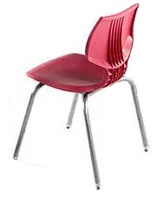
9 | MECHANICAL WORKS |  |  |  | TOT. | € -
9.1 | VRF System Out-door Unit | VRF System: Heat pump Variable Refrigerant Flow (VRF) system, refrigerant R410, complete with the outdoor and indoor units, piping network, control system and all necessary parts needed, and as per the following types (Mitsubishi, Daikin, Samsung or LG) or equivalent. Outdoor unit modular, type scroll compressors with fully inverter for each compressor , with all necessary connections, galvanized steel base with all necessary parts to keep low vibration, fittings, distribution joints, cutoff valves. The price shall include shielded control cable between indoor and outdoor units, and all the works to complete the job, and as per the following "nominal" cooling capacities, but considering that the units shall be capable of providing the actual cooling. Capacities as per equipment schedules shown below:
9.1.1 |  | OUT.01 -FST (45.1 KW Cooling Capacity , 46.6KW Heating Capacity ,18 hp) | Set | 1 |  | € -
9.2 | VRF System Indoor Units | Indoor unit concealed ceiling mounted duct type with inverter fans, fresh air intake , and medium static pressure ,and cassette type ,heat reclaim type, and with output capacity for heating not less than cooling capacity at normal conditions. Inside design temperature is 24 oC for cooling and 20 oC for heating and for outside temp. 37 oC (in conjunction with specifications and detailed design conditions). Selection shall be at medium speed. Indoor units shall include valves in suction and discharge pipes for each unit with working and testing pressure of 40 bar. Works shall include insulated CPVC pipes drainage network for all indoor units, and connecting them to the nearest main riser (dedicated for A/C drain) or to the nearest floor drain (connected to A/C riser). The drain network shall include a non-return valve after each indoor unit and should be insulated with suspended network. The price shall include a drain pump for each unit, flexible joint for each indoor unit, dismantle and reinstall the false ceiling and other works including but not limited to digging in walls, refill the holes, paint and finishing all the needed works to complete the job, and as per the following actual cooling capacities.
9.2.1 | Wall Mounted Type
9.2.1.1 |  | Wall Mounted type with cooling capacity 5.4 KW | No. | 3 |  | € -
9.2.1.2 |  | Wall Mounted type with cooling capacity 5.5 KW | No. | 2 |  | € -
9.2.1.3 |  | Wall Mounted type with cooling capacity 6.3 KW | No. | 2 |  | € -
9.2.2 | 4-Way Cassette Type
9.2.2.1 |  | 4-Way Cassette Type with cooling capacity 5.3 KW | No. | 1 |  | € -
...

