BoQ
PUBLIC WORKS CONTRACT FOR “THE REHABILITATION OF AL-DAWHA SCHOOL IN WADI AL-JOZ IN EAST JERUSALEM
TENDER NO. PSE22001-10077
AL-DAWHA SCHOOL
Annex 1 - Bill of Quantities
CONSULTANT: ATELIER ARLETTE |  |  |  |  |  | Version: v240430
Nr. | ITEM | DESCRIPTION OF WORK NEEDED | UNIT | QUANTITY | RATE € | TOTAL ESTIMATION EURO | Local. |  |  | Works Category | Sub lot
 |  |  |  |  |  |  | B | F | R
1.00 | EXCAVATION & DEMOLITION WORKS |  |  |  |  | € -
1.01 | dismantle doors | dismantle of steel or wooden doors according to engineer's instructions, works include dismantle and remove the frames of the doors. | no | 14 |  | € - |  |  |  | Demolition | sub1
1.02 | Dismantle of kitchen floor tiles | Dismantle floor tiles and remove fill underneath to reach the desired level according to engineer's instructions and remove all outside the site in a legal manner. | m2 | 4 |  | € - | 1 | 1 | 3 | Demolition | sub1
1.03 | Dismantle floor tiles in canteen | Dismantle floor tiles and remove fill underneath to reach the desired level according to engineer's instructions and remove all outside the site in a legal manner. | m2 | 8 |  | € - | 1 | 1 | 19 | Demolition | sub2
1.04 | Dismantle cabinets and sink | Dismantle and remove the existing cabinets and countertop in the kitchen, works include dismantle the sink and all pipes and accessories and water taps and all, and remove all dismantled materials outside the site and all according to engineer's instructions. | job | 1 |  | € - | 1 | 1 | 3 | Demolition | sub1
1.05 | Open a window | Dig the existing wall of the canteen to open a window 100cm * 100cm , works include all the finishing works after opening the window like plastering around the window according to specifications, and all according to engineer's instructions. | job | 1 |  | € - | 1 | 1 | 19 | Demolition | sub2
1.06 | Dismantle and reinstall finger protectors | Dismantle the existing finger protectors, keep them in a safe place and reinstall after installing the new doors, the contractor will be responsible for any missing or any one that was damaged and will be responsible to supply and install new ones instead, and all according to engineer's instructions. | no | 14 |  | € - |  |  |  | Demolition | sub1
1.07 | Dismantle existing window | Dismantle the existing window and window frame and all materials used to close the window opening in the resources room, works include removing all dismantled materials outside the site in a legal manner and all according to engineer's instructions | job | 1 |  | € - | 1 | 1 | 11 | Demolition | sub3
1.08 | Dismantle all curtains | Dismantle and remove all the curtains located on all the windows in the school in coordination with the school's administration. | job | 1 |  | € - |  |  |  | Demolition | sub1
1.09 | Dismantle fabric pads on walls | Dismantle and remove all that is located on the walls from all the rooms and corridors from all materials and remove them outside the site in a legal manner and all according to engineer's instructions and in coordination with the school's administration. | job | 1 |  | € - |  |  |  | Demolition | sub1
1.10 | Dismantle white boards | Dismantle and remove the existing white boards in coordination with the school's administration and remove them outside the site in a legal manner and all according to engineer's instructions. | no | 6 |  | € - |  |  |  | Demolition | sub1
1.11 | Dismantle window | Dismantle and remove the window in the teacher's room , works include dismantle and remove the frame and remove all outside the site in a legal manner and all according to engineer's instructions. | no | 1 |  | € - | 1 | 1 | 9 | Demolition | sub1
1.12 | Dismantle roof of science lab. | Dismantle and remove only the composite sheet panels over the science laboratory, keeping the metal structure intact , the price includes removal of any insulation layer or metal sheets connected to the walls, works include also removing the 60*60cm false ceiling tiles without damaging the false ceiling grid, and remove outside the site in a legal manner and all according to engineer's instructions. | job | 1 |  | € - |  |  |  | Demolition | sub1
1.13 | Dismantle external tiles skirting | Dismantle and remove existing external wall skirting tiles and remove all dismantled materials outside the site in a legal manner and all according to engineer's instructions. | job | 1 |  | € - | p1 |  |  | Demolition | sub1
1.14 | Dismantle floor tiles | Dismantle and remove floor tiles in playground and remove fill underneath, works include remove all debris and dismantled tiles outside the site in a legal manner, all according to engineer's instructions. | m2 | 169 |  | € -
1.15 | Move existing furniture | Move the existing furniture where works to be performed to one of the nearby schools in the street; all according to the instructions given by the school's administration. | Job | 1 |  | € - |  |  |  | Demolition

2.00 | GYPSUM BOARDS & FALSE CEILING |  |  |  |  | € -
2.01 | New Internal false ceilings | Supply and install waterproof gypsum board MR, for false ceilings with studs at every 40cm in both directions including decorations, forms, trims with all connections supports, fixing, putty sealer, wire mesh and special angles for edge of boards and all necessary accessories needed for the best completion of works from 30 to 40cm width. The price shall include for all opening of air condition grills, light fixture and the like. The contractor shall provide a shop drawing for architects approval, works include painting with acrylic paint three coats of supercryl2000 or equivalent after preparing the surface according to specifications, and all according to engineer's instructions. | m.r | 64 |  | € - |  |  |  | Gypsum | Sub1
2.02 | close opening in the resource room | Supply & install gypsum boards 12.7mm thick each board, two boards from each side with horizontal studs on floors and ceilings and vertical ones every 40cm ,the gypsum boards are water resistant (green), the gap between the gypsum boards to be filled with wool rock 5cm thick and 80kg/m3 density, price includes installing corner beads and joint tape using putty according to specifications. and all according to specifications and to engineer's instructions. | m2 | 2.2 |  | € - | 1 | 1 | 11 | Gypsum | sub3
...
6.00 | CARPENTRY & FURNITURE WORKS |  |  |  |  | € -
6.06 | Wooden cabinets | Supply and install lower cabinets not less than 60cm depth, constructed from plywood 20mm thick , leaves to be from MDF covered with laminated veneer (Formica) for all sides, the external sides to be selected by the engineer, the other sides with white laminated veneer, the veneer to be from an approved company, works include the shelves from plywood 20mm thick covered with laminated white veneer (Formica) from all sides ,works include also slow motion closing hinges from an approved company and the hinges to fit according to the leave's size and weight, the drawers tracks to be high quality from an approved company up to 50-60kg,and all as per the attached drawings and instructed by the site engineer. | mr. | 3.3 |  | € - | 1
6.07 | Wooden cabinets | Supply and install upper cabinets not less than 40cm depth, constructed from plywood 20mm thick , leaves to be from MDF covered with laminated veneer (Formica) for all sides, the external sides to be selected by the engineer, the other sides with white laminated veneer, the veneer to be from an approved company, works include the shelves from plywood 20mm thick covered with laminated white veneer (Formica) from all sides ,works include also slow motion closing hinges from an approved company and the hinges to fit according to the leave's size and weight, and all as per the attached drawings and instructed by the site engineer. | mr. | 3.6 |  | € - | 1
6.08 | Wooden cabinets | Supply and install wooden cabinets 39cm depth and 78cm high, structure from plywood 17mm thick, door leaves to be from MDF covered with laminated veneer (Formica) for all sides color to be selected by the architect. Internal shelves and partitions should be from plywood 17mm thick, all accessories and specific details to be as indicated in the preambles. And all according to engineer's instructions | mr. | 2.5 |  | € - | 1
6.09 | Circular tables | Supply and install circular tables 70cm diameter and 60cm high, structure to be from steel 2mm thick, the surface of the tables to be from plywood 20mm thick and painted with shlive paint according to specifications, color to be selected by the architect, a sample has to submitted for approval, and all according to engineer's instructions. | no. | 2 |  | € - | 1
6.10 | Chairs for KG | Supply and install chairs :Height: 38 cm Dimension of plastic seat: 33.5 x 34.5 cm Dimension of plastic back: 19.5 x 34.5 cm Plastic thickness: 5 - 8 mm Plastic color: as per architect's instructions Diameter of iron pipes: 22 mm,10/20mm Thickness of iron pipes: 1.5 mm,1.25mm Width of chair: 40 cm | no. | 10 |  | € - | 1
6.11 | Wooden cabinet | Supply and install cabinets 40cm depth, 214cm length and 280cm high, constructed from plywood 20mm thick , leaves to be from MDF painted with shlive paint for all sides, the color to be selected by the engineer, works include the shelves from plywood 20mm thick covered with laminated white veneer (Formica) from all sides for the internal shelves and painted with shlive for the exposed shelves, works include also slow motion closing hinges from an approved company and the hinges to fit according to the leave's size and weight, the drawers tracks to be high quality from an approved company up to 50-60kg,and all as per the attached drawings and instructed by the site engineer. | no. | 1 |  | € - | 1
6.12 | Wooden cabinet | Supply and install cabinets 30cm depth, 235cm length and 110cm high, constructed from plywood 20mm thick , works include the shelves from plywood 20mm thick painted with shlive paint according to specifications and color to be selected by the engineer, the cabinet to be painted with shlive paint according to specifications, different colors will be used , | no. | 1 |  | € - | 1
6.13 | teacher's table | Supply and install teacher's table 90cm length,60cm depth and 75cm high, structure from galvanized steel not less than 1.5mm thick and painted by electrostatic painted metal structure 80 micron thick, the structure with an X shape support, the tables legs should have rubber edges , the table's surface from birch plywood 34mm thick and painted with shlive paint according to specifications, a sample has to be submitted and approved by the engineer, color to be selected by the architect. | no. | 1 |  | € - | 1
6.14 | Teacher's chair | Supply and install chair for teacher, Height: 46 cm Dimension of plastic seat: 42 x 43 cm Dimension of plastic back: 22 x 43 cm Plastic thickness: 5 - 8 mm Plastic color: grey . Diameter of iron profile: (20x20) mm Thickness of iron profile: 1.25mm | no. | 1 |  | € - | 1
6.15 | Wooden shelves | Supply and install wooden shelves , structure from plywood 17mm thick, 88cm length and 85cm high, to be painted using shlive paint according to specifications, color to be selected by the architect, all according attached drawings (A09), works include all that is needed to do the installation and all according to engineer's instructions. | no. | 1 |  | € - | 1
6.16 | 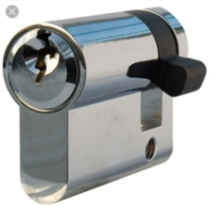 new wooden doors | Supply and install the following 45 mm. thick solid plywood doors covered with laminated veneer 0.8mm thick, with beech hardwood lipping frame 35X45 mm. tongued and grooved to 27* 95 mm pine wood. The price shall include fixing ironmongery, 3 stainless steel hinges per leaf of a door, a stainless steel plates and kick plates U shape screwed with tempered screws and all accessories needed as per specification and architect's instructions. The frame should be from galvanized steel 1.5mm thick at the whole depth of the wall taking into consideration the plaster of the wall, works include first installing of the galvanized steel frame and casting reinforced concrete around the frame not less than 10cm width using steel reinforcement 4ø10 and 6mm stirrups each 25cm for lintel and jambs, price includes painting one coat using special paint for galvanized steel and three coats of polior paint ,color to be chosen by engineer, works include also laminated glass for the door window 3+3 with frame from beech wood 35*35cm painted according to specifications, and all according to engineer's instructions, the cylinder of the door to be half cylinder from an approved company | no. | 10 |  | € -
6.17 | tables | Supply and install tables as per attached drawings 97.7cm diameter and 60cm high, structure to be from steel 2mm thick, the surface of the tables to be from plywood 20mm thick and painted with shlive paint according to specifications, color to be selected by the architect, a sample has to submitted for approval, and all according to engineer's instructions. | no. | 5 |  | € - | 1
6.18 | Chairs for students | Supply and install chairs :Height: 38 cm Dimension of plastic seat: 33.5 x 34.5 cm Dimension of plastic back: 19.5 x 34.5 cm Plastic thickness: 5 - 8 mm Plastic color: as per architect's instructions Diameter of iron pipes: 22 mm,10/20mm Thickness of iron pipes: 1.5 mm,1.25mm Width of chair: 40 cm | no. | 5 |  | € - | 1
6.19 | Teacher's chair | Supply and install chair for teacher, Height: 46 cm Dimension of plastic seat: 42 x 43 cm Dimension of plastic back: 22 x 43 cm Plastic thickness: 5 - 8 mm Plastic color: grey . Diameter of iron profile: (20x20) mm Thickness of iron profile: 1.25mm | no. | 1 |  | € - | 1
6.20 | 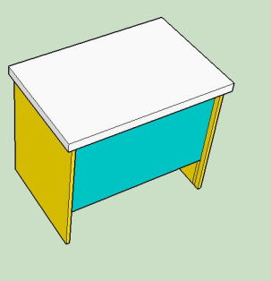 teacher's table | Supply and install teacher's table 90cm length,60cm depth and 75cm high, structure of the table from birch plywood 20mm thick, sides of the table from birch plywood 20mm thick and the surface to be from birch plywood 5cm thick, the table from all sides to be covered with laminated veneer (Formica) 0.8mm thick ,color to be selected by the engineer, more than one color will be used, and all according to engineer's instructions. | no. | 1 |  | € - | 1
6.21 | 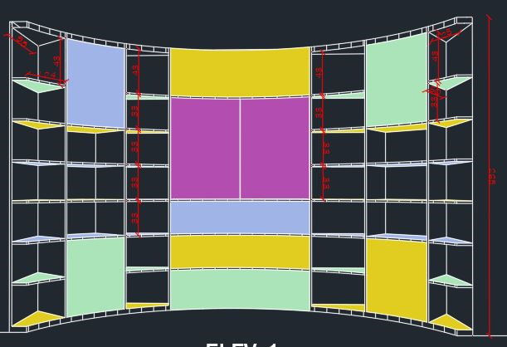 cabinet | Supply and install circular cabinet 60cm depth, 392cm length and 265cm high, constructed from plywood 20mm thick , leaves to be from MDF painted with "shlive" paint for all sides, the color to be selected by the engineer, the other sides with laminated veneer, the veneer to be from an approved company, works include the shelves from plywood 20mm thick covered with laminated white veneer (Formica) from all sides for the internal shelves and painted with shlive for the exposed shelves, works include also slow motion closing hinges from an approved company and the hinges to fit according to the leave's size and weight, the drawers tracks to be high quality from an approved company up to 50-60kg,and all as per the attached drawings and instructed by the site engineer, works include taking into consideration the existing electrical trunks to be adjusted inside the cupboards. | no. | 1 |  | € - | 1
6.22 | Cabinet | Supply and install cabinets 50cm depth, 267cm length and 260cm high, constructed from plywood 20mm thick , leaves to be from MDF painted with shlive paint for all sides, the color to be selected by the engineer , works include the shelves from plywood 20mm thick covered with laminated white veneer (Formica) from all sides for the internal shelves and painted with shlive for the exposed shelves, works include also slow motion closing hinges from an approved company and the hinges to fit according to the leave's size and weight, and all as per the attached drawings and instructed by the site engineer. | no. | 1 |  | € - | 1
6.23 | teacher table for counselor room | Supply and install cabinets 60cm depth,90cm length and 210cm high, constructed from plywood 20mm thick , leaves to be from MDF painted with shlive paint for all sides, the color to be selected by the engineer , works include the shelves from plywood 20mm thick covered with laminated white veneer (Formica) from all sides ,works include also slow motion closing hinges from an approved company and the hinges to fit according to the leave's size and weight, and all as per the attached drawings and instructed by the site engineer. | no. | 1 |  | € - | 1
6.24 | chair for teacher | Supply and install chairs :Height: 38 cm Dimension of plastic seat: 33.5 x 34.5 cm Dimension of plastic back: 19.5 x 34.5 cm Plastic thickness: 5 - 8 mm Plastic color: as per architect's instructions Diameter of iron pipes: 22 mm,10/20mm Thickness of iron pipes: 1.5 mm,1.25mm Width of chair: 40 cm | no. | 1 |  | € - | 1
6.25 | Floor cushions | Supply and install floor cushions made of high quality fabrics to be cut and sewed and filled with high quality and high density 10cm thick sponge , color to be selected by the architect, a sample has to be submitted for approval , size of each 70cm x 80cm x 10cm | no. | 3 |  | € - | 1
6.26 | Floor cushions | Ditto but the size is 125cm x 70cm | no. | 1 |  | € - | 1
6.27 | Pillows | supply and put pillows made of high quality fabric to be cut and sewed and filled with polyester or cotton ,size 30cm x 45cm, a sample has to be submitted for approval, color to be selected by the architect | no. | 6 |  | € - | 1
6.28 | Fabric pads | Supply and install wall carpets European origin like Beaulieu Real or equivalent, 4mm thick and anti fire to meet the Israeli's standards : (degree of flare=3, degree of smoke density = 3, degree of shape distortion and dipping =1), color to be specified by the architect, different colors will be used on the same surface , and to be cut into different shapes according to attached drawings, works include prepare well the surface before installation and use the appropriate adhesive according to manufacturer's specifications, samples have to be submitted for approval, and all according to engineer's instructions. | m2 | 12 |  | € - | 1
6.29 | Magnetic white boards | Supply and install magnetic white board polyester coated steel surface 180cm * 120cm fixed on MDF board 11 mm thick, the frame to be from high quality aluminum and four plastic angles to cover the bolts, the board to include the pen and eraser holder, works include all that is needed to install the board from screws ....etc., and all according to engineer's instructions, a sample has to be submitted for approval | no. | 1 |  | € - | 1
6.30 | Magnetic white boards | Supply and install magnetic white board polyester coated steel surface 180cm * 120cm fixed on MDF board 11 mm thick, the frame to be from high quality aluminum and four plastic angles to cover the bolts, the board to include the pen and eraser holder, works include all that is needed to install the board from screws ....etc., and all according to engineer's instructions, a sample has to be submitted for approval | no. | 1 |  | € - | 1
6.31 | Magnetic white boards | Supply and install magnetic white board polyester coated steel surface 180cm * 120cm fixed on MDF board 11 mm thick, the frame to be from high quality aluminum and four plastic angles to cover the bolts, the board to include the pen and eraser holder, works include all that is needed to install the board from screws ....etc., and all according to engineer's instructions, a sample has to be submitted for approval | no. | 1 |  | € - | 1
...
6.00 | CARPENTRY & FURNITURE WORKS |  |  |  |  | € -
6.38 | Wooden window | Supply and install fixed window for resources room ,the frame to be made from MDF and assembled as per the detail in "A17", the price includes installing a laminated 6+6 clear glass ,the price also includes installing an MDF frame to hold the glass with 6 screws and copper nuts that can be removable. the price includes shlive painting for the MDF with color selected by the architect, and all according to engineer's instructions. | no. | 1 |  | € - | 1
6.39 | Fabric pads | Supply and install wall carpets European origin like Beaulieu Real or equivalent, 4mm thick and anti fire to meet the Israeli's standards : (degree of flare=3, degree of smoke density = 3, degree of shape distortion and dipping =1), color to be specified by the architect, different colors will be used on the same surface , and to be cut into different shapes according to attached drawings, works include prepare well the surface before installation and use the appropriate adhesive according to manufacturer's specifications, samples have to be submitted for approval, and all according to engineer's instructions. | m2 | 15 |  | € - | 1
6.40 | Fabric pads | Supply and install wall carpets European origin like Beaulieu Real or equivalent, 4mm thick and anti fire to meet the Israeli's standards : (degree of flare=3, degree of smoke density = 3, degree of shape distortion and dipping =1), color to be specified by the architect, different colors will be used on the same surface , and to be cut into different shapes according to attached drawings, works include prepare well the surface before installation and use the appropriate adhesive according to manufacturer's specifications, samples have to be submitted for approval, and all according to engineer's instructions. | m2 | 15 |  | € - | 1
6.41 | Fabric pads | Supply and install wall carpets European origin like Beaulieu Real or equivalent, 4mm thick and anti fire to meet the Israeli's standards : (degree of flare=3, degree of smoke density = 3, degree of shape distortion and dipping =1), color to be specified by the architect, different colors will be used on the same surface , and to be cut into different shapes according to attached drawings, works include prepare well the surface before installation and use the appropriate adhesive according to manufacturer's specifications, samples have to be submitted for approval, and all according to engineer's instructions. | m2 | 9 |  | € - | 1
6.42 | Fabric pads | Supply and install wall carpets European origin like Beaulieu Real or equivalent, 4mm thick and anti fire to meet the Israeli's standards : (degree of flare=3, degree of smoke density = 3, degree of shape distortion and dipping =1), color to be specified by the architect, different colors will be used on the same surface , and to be cut into different shapes according to attached drawings, works include prepare well the surface before installation and use the appropriate adhesive according to manufacturer's specifications, samples have to be submitted for approval, and all according to engineer's instructions. | m2 | 14.5 |  | € - | 1
6.43 | Fabric pads | Supply and install wall carpets European origin like Beaulieu Real or equivalent, 4mm thick and anti fire to meet the Israeli's standards : (degree of flare=3, degree of smoke density = 3, degree of shape distortion and dipping =1), color to be specified by the architect, different colors will be used on the same surface , and to be cut into different shapes according to attached drawings, works include prepare well the surface before installation and use the appropriate adhesive according to manufacturer's specifications, samples have to be submitted for approval, and all according to engineer's instructions. | m2 | 11 |  | € - | 1
6.44 | Fabric pads | Supply and install wall carpets European origin like Beaulieu Real or equivalent, 4mm thick and anti fire to meet the Israeli's standards : (degree of flare=3, degree of smoke density = 3, degree of shape distortion and dipping =1), color to be specified by the architect, different colors will be used on the same surface , and to be cut into different shapes according to attached drawings, works include prepare well the surface before installation and use the appropriate adhesive according to manufacturer's specifications, samples have to be submitted for approval, and all according to engineer's instructions. | m2 | 17 |  | € - | 1
6.45 | Fabric pads | Supply and install wall carpets European origin like Beaulieu Real or equivalent, 4mm thick and anti fire to meet the Israeli's standards : (degree of flare=3, degree of smoke density = 3, degree of shape distortion and dipping =1), color to be specified by the architect, different colors will be used on the same surface , and to be cut into different shapes according to attached drawings, works include prepare well the surface before installation and use the appropriate adhesive according to manufacturer's specifications, samples have to be submitted for approval, and all according to engineer's instructions. | m2 | 23 |  | € - | 1
6.46 | Fabric pads | Supply and install wall carpets European origin like Beaulieu Real or equivalent, 4mm thick and anti fire to meet the Israeli's standards : (degree of flare=3, degree of smoke density = 3, degree of shape distortion and dipping =1), color to be specified by the architect, different colors will be used on the same surface , and to be cut into different shapes according to attached drawings, works include prepare well the surface before installation and use the appropriate adhesive according to manufacturer's specifications, samples have to be submitted for approval, and all according to engineer's instructions. | m2 | 8 |  | € - | 1
6.47 | Fabric pads | Supply and install wall carpets European origin like Beaulieu Real or equivalent, 4mm thick and anti fire to meet the Israeli's standards : (degree of flare=3, degree of smoke density = 3, degree of shape distortion and dipping =1), color to be specified by the architect, different colors will be used on the same surface , and to be cut into different shapes according to attached drawings, works include prepare well the surface before installation and use the appropriate adhesive according to manufacturer's specifications, samples have to be submitted for approval, and all according to engineer's instructions. | m2 | 8 |  | € - | 1
6.48 | 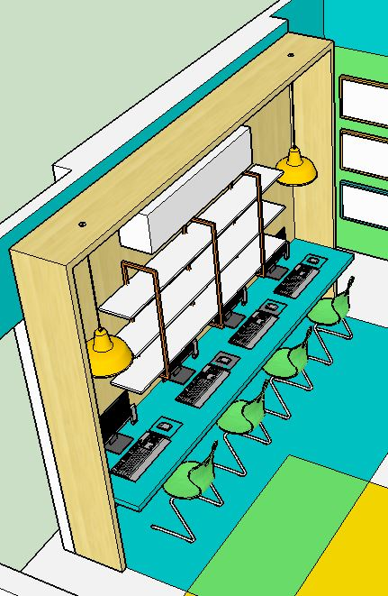 wooden computers station | Supply and install wooden computers station composed of plywood 20mm structure 341cm length x 260cm high and 40cm depth and covered with laminated veneer (Formica) 0.8mm thick, the table to be made of plywood 20mm thick and covered with laminated veneer (Formica) 0.8mm thick with painted solid beech wood edges 20/50mm,lenght of table 341cm x 56cm depth, price includes all supports needed for the table, the shelves to be made of plywood 20mm thick and covered with laminated veneer (Formica) 0.8mm thick, the frames holding shelves to be from steel SHS 30/3 and to be painted according to specifications, color of the paint is according to engineer's selection, the color of the laminated veneer for the table and the station to be selected by the engineer, different colors may be used , and all according to attached drawings and to engineer's instructions. | job | 1 |  | € - | 1
6.49 | Wooden Cabinet | Supply and install wooden cabinet made from plywood 20mm thick and covered with laminated veneer (Formica) 0.8mm thick color to be selected by the engineer, price includes the shelves from plywood 20mm thick and covered with laminated veneer (Formica) 0.8mm thick for all sides color to be selected by the engineer, leaves to be from Green panel MDF 20mm thick and covered with laminated veneer 0.8mm thick, color to be selected by the engineer, price includes all the hinges according to specifications and integrated handles, size of the cabinet 300cm length x 328cm high x 45cm depth, all according to attached drawings and to engineer's instructions. | job | 1 |  | € - | 1
6.50 | 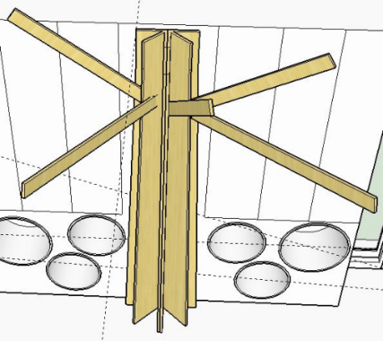 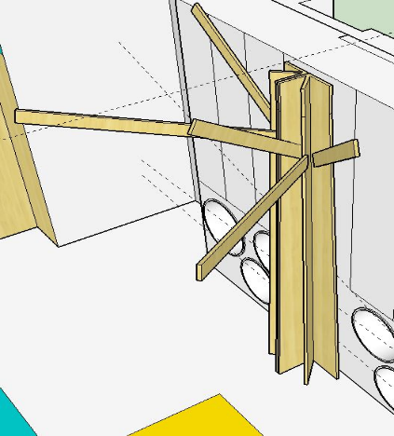 Tree trunk and branches | Supply and install tree truck and branches to be made from plywood 20mm thick and covered with laminated veneer (Formica) color to be selected by the engineer, size of the truck 60cm length x 328 cm high, all according to attached drawings and to engineer's instructions. | job | 1 |  | € - | 1
6.51 | rounded chairs | Supply and install chairs , structure from plywood 20mm thick and to be upholstered with padding webbing 10cm thick and high quality layer of 16oz/squared yard colored vinyl cover is stapled over the face meeting NFPA701 and ASTM E84, diameter of the chairs 40cm and 50cm and 60cm, height is 40cm, color of the vinyl to be selected by the engineer, a sample has to be submitted for approval. | no. | 6 |  | € - | 1
6.52 | 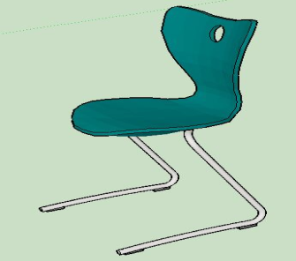 Chairs | Supply and install chairs with four legs 40cm high ,from galvanized steel structure (electrostatic painted metal structure) not less than 1.5mm thick, seat and back to be from PVC and one unit, color to be selected by the engineer, a sample has to be submitted for approval | no. | 4 |  | € - | 1

7.00 | STEEL & ALUMINUM WORKS & ACCESSORIES |  |  |  |  | € -
7.01 | 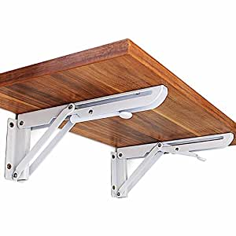 Supply & install new multi-lock door | Supply and install factory made multi lock steel door 90cm x 210cm with frame like Reshafim or equivalent with all necessary accessories hinges locks, exit device fire & smoke proof doors. Price includes painting fixing and all accessories (a Sample & shop drawing has to be given for approval), works include plastering works around the frame after installation, works include also painting around the frame with color similar to the existing color of walls, price includes supply and install aluminum window 60cm x 70cm from Kalil 2000 one leaf with securite glass 8mm thick, price includes supply and install one pair of folding shelf bracket to hold 250kg to be spring loaded, one handed release lever with a wooden shelf fixed on the brackets 2.5cm thick made from solid wood (butchers board) size 25cm x 70cm to be fixed on the door, and all according to engineer's instructions. | no. | 1 |  | € - | 1
7.02 | aluminum window | Supply and install aluminum window from Kalil 2000 to be installed on the wall at the passage leading to the toilets, works include supply and install polycarbonate multi wall sheets 10mm thick with different colors to be specified by the architect and all according to engineer's instructions. | m2 | 5 |  | € -
7.03 | Maintenance of existing aluminum windows | Maintenance of existing aluminum windows where specified by the engineer, works include replace the broken glass with laminated glass double glass to fit in the existing aluminum section, works include also replacing the screen if needed, replacing handles and replacing any damaged part of the windows, and all according to engineer's instructions | no. | 1 |  | € - | 1
7.04 | blinds for windows | Supply and install high quality roller blinds for all windows, to be fire retardant BS 5867 and child safety BS EN13120, color to be selected by the engineer, a sample has to be submitted for approval | m2 | 6 |  | € - | 1
7.05 | blinds for windows | Supply and install high quality roller blinds for all windows, to be fire retardant BS 5867 and child safety BS EN13120, color to be selected by the engineer, a sample has to be submitted for approval | m2 | 5 |  | € - | 1
7.06 | blinds for windows | Supply and install high quality roller blinds for all windows, to be fire retardant BS 5867 and child safety BS EN13120, color to be selected by the engineer, a sample has to be submitted for approval | m2 | 4 |  | € - | 1
7.07 | blinds for windows | Supply and install high quality roller blinds for all windows, to be fire retardant BS 5867 and child safety BS EN13120, color to be selected by the engineer, a sample has to be submitted for approval | m2 | 7.5 |  | € - | 1
7.08 | blinds for windows | Supply and install high quality roller blinds for all windows, to be fire retardant BS 5867 and child safety BS EN13120, color to be selected by the engineer, a sample has to be submitted for approval | m2 | 7.5 |  | € - | 1
7.09 | blinds for windows | Supply and install high quality roller blinds for all windows, to be fire retardant BS 5867 and child safety BS EN13120, color to be selected by the engineer, a sample has to be submitted for approval | m2 | 4 |  | € - | 1
7.10 | blinds for windows | Supply and install high quality roller blinds for all windows, to be fire retardant BS 5867 and child safety BS EN13120, color to be selected by the engineer, a sample has to be submitted for approval | m2 | 7.5 |  | € - | 1
7.11 | Metal composite sheets for the science Lab. | Supply and install metal composite sheets roof, 10cm thick (0.5mm metal sheet + 10cm insulation material + 0.5mm corrugated metal sheet) on the existing structure of the science lab. , the price includes installing sheet metal flashing between the roof and the adjacent walls, and U shaped sheet metal end pieces to cover the sides of the composite panels, price includes also supply and install factory made water gutter and drop pipes and all according to engineer's instructions. | m2 | 30 |  | € -
...

