Lot 1A
PUBLIC WORKS TENDER FOR THE REHABILIATION OF FIVE SCHOOLS IN EAST JERUSALEM
LOT 1A - AL-SHAMELEH SECONDARY GIRLS' SCHOOL
Tender No: PSE22001-10074
Annex 1 - Bill of Quantities

Nr. | ITEM | DESCRIPTION OF WORK NEEDED / SPECIFICATIONS | UNIT | QUANTITY | RATE (EURO) | TOTAL (EURO)

1 | EXCAVATION, DEMOLITION, & EARTH WORKS |  |  |  | TOT | € -
1.01 | Removing the existing the pvc pergola, according to the direction of the supervising engineer with no harming for the steel structure | Rate includes : - required reinforcement during the removal, - removal of surplus material from site to an approved dumping area, all according to specifications and the direction of director engineer. | lumpsum | 1 |  | € -
1.02 | Breakdown and remove the existing tiles and its skirting for the roof playground including drains of rain water and door step in addition to any unseen layers under the tiles as tiles or waterproofing or filling untill the slab or the conctre grade | All according to the Director of Works. Rate also includes backfill underneath & carting away debris. Rate includes removal of existing step at the door of the roof. Contractor should submit a drawing to show the elements for demolishing to be approved by the work director | m2 | 212 |  | € -
1.03 | Dismantle and removal the existing artificial grass covering the metal fences. | All according to the Director of Works. Contractor should submit a drawing to show the elements for demolishing to be approved by the work director | m2 | 54 |  | € -
1.04 | Dismantle and removal the existing asphalt sheets on the roof of staircase | All according to the Director of Works. Contractor should submit a drawing to show the elements for demolishing to be approved by the work director | m2 | 16 | € - | € -
1.05 | Removal and re-insatall all sport equimpent on the roof all according to the directions of the director of works |  | lumpsum | 1 |  | € -
2 | Waterproofing |  |  |  | TOT | € -
2.01 | Supply & apply waterproofing insulation (Beneath Screed) by applying 2 coats (1.5–2 mm total thickness) over a primed substrate liquid-applied membrane (e.g., polyurethane or bitumen-based, as MB 2K or Sika or equivalent, rate includes waterproofing the parapet around the roof- the measurement not including any vertical dimensions- it will the horizontal area Rate includes: - cleaning of the concrete surface from dust, grease, and debris using high-pressure water or air blower - Repair of any cracks or honeycombing in the concrete using approved epoxy or cementitious repair compounds - Ensure proper slope for water drainage (1–2%) toward functioning drainage points | Rate includes: - Reinforce with polyester mesh at stress points (drains, joints). - The substrate must be clean, dry, flat and capable of bearing a load, and free of dust, oil, grease and release agents. - Remove projecting seams and mortar remains. Break off or chamfer corners and edges. -Reinforce transitions/connections/joints to and on non-mineral substrates/components with joint tape (Tape VF). - use a suitable mortar to produce a sealing cove. Close indentations > 5 mm with a suitable filler All according to direction of the director of works | m2 | 212 |  | € -
2.02 | Ditto for the roof of staircase | rates includes modifying the slope of roof & installing drain for the roof according to directions of director of works | m2 | 16 |  | € -
3 | CONCRETE AND STONE WORKS |  |  |  | TOT | € -
3.01 | Helicopter Concrete Screed Compressive Strength: ≥25 MPa, thickness: 50–100 mm, welded wire mesh or polypropylene fibers (0.9 kg/m³) to minimize cracking with slope for drainage: 1.5–2% directed toward internal roof drains in addition to drainage Layer: 20 mm gravel layer or drainage mat (SI 3) beneath screed to protect waterproofing. the surface should be smooth to receive the epoxy layer | All according to direction of the director of works | m2 | 232 |  | € -
3.02 | Supply & install stone Coping for the parapets to replace the existing broken coping to be similar with color, texture, width and thickness in addition to parapet of the staircase. | laid on 30mm thick mortar (1:3), work includes 8mm dowels for fixing, and pointing. All according to detail drawings and to the instructions and approval of director of works. | m (linear) | 22 |  | € -
3.03 | Supply & install window & door sills in addition to the required steps | Local marble 3cm thick, for the doors of service building and admin room, Rates includes using mortar from cement and sand 3-1 , rounded fillets and polish surface, and the pointing with white cement and all works needed to accomplish the work and all according to engineer's instructions | m (linear) | 1 |  | € -
3.04 | supply & install hollow block 10 cm in the joint between the old tile and new concrete screed, rates includes plastering to prepar for water insulation. As section 7-7 in drawing A 18 |  | m (linear) | 6 |  | € -
3.05 | (Provisional item) supply & apply Concrete Screed for Roof Water Drainage of Portland Cement, Minimum thickness at high points: 5 cm Maximum thickness at low points: as required to achieve slope of Minimum 1.5% toward roof drains. | Rate includes: - surface Preparation, Clean structural slab of dust, debris, oil, and laitance Wet surface before screed application - Bonding Layer by apply bonding slurry made of cement and bonding agent. All according to directions of director of works | m2 | 212 |  | € -
4 | PLASTERING WORKS |  |  |  | TOT | € -
4.01 | External decorative rough colored plastering for the main elevation and next to exit door as in Drawing A19 | Supply and install flexible acrylic plaster coating. Surface preparation: make sure that the surface was prepared by removing old plastering- prepared to receive the primer of the colored plastering by fixing and smoothing all the surfaces. Application: apply using brush or roller one coat of special colored bonding primer ,apply one coat of the flexible acrylic plaster using metal spatula and move the spatula to get the desired uniform texture, manufacturer tambour acrylic shlicht system or equivalent, color to be selected by the engineer. | m2 | 92 |  | € -
...
 | Catalogs of all materials and equipment proposed by the contractor must be submitted and attached to the financial &Technical offer brochure, duly signed and stamped.
 | Rate includes Inspection of electrical installation inside the buildings & the playgrounds by licensed electrical inspection engineer at least Level(2), including cost of inspection and assistance to inspector in taking instrument readings, providing test reports & certificates for all electrical works including electrical panels.
 | All Electrical Works should be according to local codes & laws & according to technical requirements of electricity company
10.00 | Builders works | Supply, install, test and commission the following builders work including excavation and backfilling as shown on drawing, as per the preamble, the specifications SECTION 16130 and supervision engineer's requirements.
10.01 | Grounding system as per detailed drawings |  | lump sum | 1 |  | € -
10.02 | All obsolete equipment and extensions shall be removed, properly maintained, and formally handed over to the school in compliance with the supervising engineer’s directives |  | lump sum | 1 |  | € -
10.03 | Remove all obsolete equipment and cabling from sound systems, alarm systems, and lighting installations that are no longer required. The contract price includes compliant engineering installation of existing electrical distribution systems and low-voltage networks within suspended cable trays. All removed materials shall be properly stored and formally handed over to the school in an organized manner under the supervision of the assigned project engineer |  | lump sum | 1 |  | € -
10.20 | Cables and Wires 600 Volt Cables | Supply, install, test and commission 600/1000 volts N2XY (XLPE) copper cables with all required accessories for proper installation and operation, cable lugs, ties. as shown on drawing, as per the preamble, the specifications and supervision engineer's requirements.
10.2.00 | Cables of type N2XY (XLPE) or NYY, 5 x 2.5 mm² section, fixed to structure, placed on ladders, or inside ducts, or inside conduits, including connections at both ends. |  | m (linear) | 500 |  | € -
10.2.01 | Cables of type N2XY (XLPE) or NYY, 5 x 10 mm² section, fixed to structure, placed on ladders, or inside ducts, or inside conduits, including connections at both ends. |  | m (linear) | 100 |  | € -
10.2.02 | Cables of type Premium 16/4 Fire Alarm Cable 16 AWG 4 Conductors, Solid, Unshielded Plenum Rated – FPLP, CL3P, FT6, fixed to structure, placed on ladders, or inside ducts, or inside conduits, including connections at both ends. | 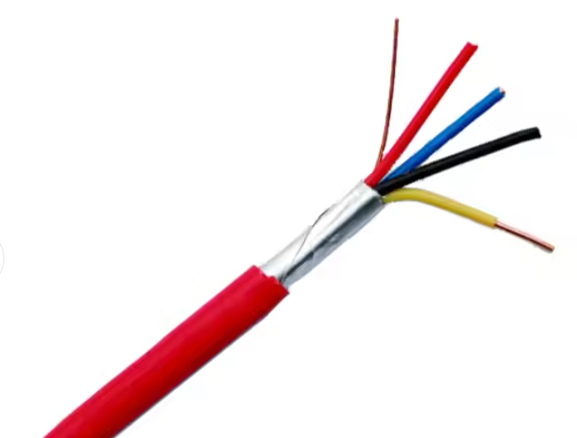 | m (linear) | 500 |  | € -
10.2.03 | Copper conductors, 35 mm² section, without PVC insulation, direct buried inside ducts or excavations, including connections at both ends. |  | m (linear) | 250 |  | € -
10.30 | Cables Tray
10.3.01 | Supply, install, test and commission Slotted tin channel (80 *100*0.8)mm, White color, oven painted ,Includes a quick connector built into the channel including screws for the built-in connector, A mounting 2 arms is added every meter, rate includes all need accessors, as per the preamble, the specifications SECTION 16130 and supervision engineer's requirements. |  | m (linear) | 250 |  | € -
10.40 | Supporting Devices Power sockets | Supply, install, test and commission the following power sockets/points/ isolators as shown on drawing, as per the preamble, rate includes conduits, N2XY cables to related electrical panel, as the specifications and supervision engineer's directions. Legrand, GEWISS or Unica/Schneider
10.4.01 | 16A power twin socket outlet /water proof |  | no. | 2 |  | € -
10.4.02 | 16A power Tipple socket outlet /water proof |  | no. | 1 |  | € -
10.4.03 | 16A power socket outlet /water proof |  | no. | 4 |  | € -
10.4.04 | Supply, install, connect, test and commission a Firefighters' circuit breaker IP65 4P 35A, including all conductors, fire retardant rigid PVC conduits, Cable glands , boxes, connection cables and all other accessories. as per drawings specifications and related standards. |  | no. | 24 |  | € -
10.4.05 | Supply, install, connect, test, label and commission complete 1 HDMI and 1 Ethernet Wall box, rate includes data cable ( hard PVC outdoor ), boxes, RJ-45 (3M, DATWYLER or R&M ) conduits,4K HDMI 5m cables , as the specifications and supervision engineer's directions. |  | no. | 2 |  | € -
10.4.06 | 2 pole switch with indication light boiler switch |  | no. | 2 |  | € -
10.5 | Main Electrical Distribution Panels Sport Electrical Panel
10.5.01 | Supply, install, test and commission (MDB),The electric switchboards shall be produced by a switchboard manufacturer certified by the Standards Institution of IEC 61439-2 . The switchboards must be ASSEMBLY system, board should be water resistance IP67. The switchboard manufacturer shall be capable to provide engineering services both in consultation and maintenance, price include Automatic Power Factor Correction (APFC) Panels, as per drawings specifications and related standards. | Supply and installation of the equipment Rate includes transporting, storage support, connection to power field and factory testing, shop drawing and all items described in the Technical Specification and Layout as on complete system | no. | 1 |  | € -
10.5.02 | Supply, install, test and commission Electrical panel (DB1-4), The electric switchboards shall be produced by a switchboard manufacturer certified by the Standards Institution of IEC 61439-2 . The switchboards must be ASSEMBLY system, board should be water resistance IP67. The switchboard manufacturer shall be capable to provide engineering services both in consultation and maintenance, price includes conduits, N2XY cables to related MDB, as per drawings specifications and related standards, and supervision engineer's directions, | Supply and installation of the equipment Rate includes transporting, storage support, connection to power field and factory testing, shop drawing and all items described in the Technical Specification and Layout as on complete system | no. | 4 |  | € -
10.6 | Lighting System
10.6.01 | Removing unneeded wiring | Removing all unneeded existing electrical wiring and old lighting units, handing them over to the school according to the rules. | lump sum | 1 |  | € -
10.6.02 | Lighting point Internal / External lighting point (N2XY 3x1.5 mm2) | Supply, install, connect, test and commission a complete lighting point including all conductors, fire retardant rigid PVC conduits, N2XY cables (3*1.5mm2), switches , boxes, connection cables and all other accessories. as per drawings specifications and related standards. | no. | 195 |  | € -
10.6.03 | Lighting Fixtures | Supply, install, connect, test and commission complete lighting fixture, including all supports, lamps ( Philips , Cree,OSRAM LED ), suspensions, clamps, switchgears, internal conductors and/or cables, and all other accessories necessary as per drawings, specifications and related standards. All lighting fixtures should be fixed to concrete celling an hanged by 2 steel ropes. Approved manufactures for this section is Philips, Osram, Sylvania or engineer's approved equal.
10.6.04 | Ceiling mounted thin rectangle white TIME 64W 120X30CM IP40 12CCT, LED lighting fixture , extremely high 120Lm/W , 6000K, Lifespan≥30,000 H, As NISKO,SKU: 17830008, or its approved equivalent. |  | no. | 5 |  | € -
10.6.05 | Linear white TRACK 160W 80° IP65 neutral light LED lighting fixtures with an IP65 degree of tightness and high luminous efficiency of 125Lm/w. Lifespan≥60,000 Hr,as NISKO,SKU: 74040160, or its approved equivalent. | 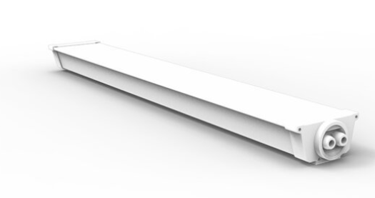 | no. | 69 |  | € -
10.6.06 | Linear white TRACK 40W 80° IP65 neutral light LED lighting fixtures with an IP65 degree of tightness and high luminous efficiency of 125Lm/w , Lifespan≥60,000 Hr,as NISKO,SKU: 74040160, or its approved equivalent. |  | no. | 9 |  | € -
10.6.07 | Compact LED light fixture, attached to the wall/ceiling, with IP65 opacity. 12W,4300 LM, 6500K,Lifespan≥30,000 Hr,as NISKO,MAGNUM series, or its approved equivalent. |  | no. | 11 |  | € -
10.6.08 | High-quality ceiling-mounted with an IP65 white CLICK 40W WH 40cm, ,6500K,4300 LM,Lifespan≥35,000 Hr, as NISKO,MAGNUM series, or its approved equivalent. |  | no. | 32 |  | € -
10.6.09 | Signage adapted to LUXX /XT 3W exit sign. The height of the sign is 15 cm, exit sign straight down arrow, Rechargeable lighting and emergency lighting |  | no. | 43 |  | € -
10.6.10 | professional LED floodlights designed with a powerful luminous flux,100W T2 150X50° IP66 neutral light,150Lm/W,Lifespan≥50,000 Hr,as NISKO,SKU: 74510150 series, or its approved equivalent. |  | no. | 4 |  | € -
10.6.11 | Single-purpose, ceiling-mounted, white SPARK 3W neutral light, round emergency lighting, designed to illuminate escape routes according to standard 1838 and includes a control unit for testing the battery, converter, charging and discharging voltage.as NISKO,SKU: 77703014 , or its approved equivalent. |  | no. | 9 |  | € -
10.7 | Low Voltage Points
10.7.01 | Data Points (Data, Telephone, Camera, Monitor, Intercom) (Provisional) | Supply, install, connect, test, label and commission complete data point including conduits ( hard PVC outdoor ) boxes, RJ-45 (3M, DATWYLER or R&M ) socket outlet with 8 pins being crimped and also earth pin for (Cat 6A) FTP data cables as per drawings, specification and related codes | no. | 2 |  | € -
10.8 | Fire alarm system (Provisional)
10.8.01 | Supply, install, connect, test, label and commission complete fire alarm addressable system, Rate includes everything necessary for proper operation, Also An inspection certificate from a competent official body, shop drawing and all items described in the Technical Specification and Layout as on complete system
10.8.02 | Fire alarm control panel, 1 loop |  | no. | 1 |  | € -
10.8.03 | Analogue addressable photoelectric smoke/Heat detector |  | no. | 51 |  | € -
10.8.04 | Manual call point ,glass station, pull type with cover. |  | no. | 37 |  | € -
10.8.05 | Indoor fire siren with flasher. |  | no. | 1 |  | € -
10.8.06 | Outdoor fire siren with strobe,ip65 |  | no. | 1 |  | € -
10.8.07 | Fire alarm Auto dialer 4 No. |  | no. | 1 |  | € -
10.8.08 | Fire Response Indicator Lamp |  | no. | 5 |  | € -
10.8.09 | Supply, install, connect, test, label and commission complete Automatic FM 200 / HFC-227ea integrated fire suppression system for MDB & (APFC) Panels, Rate includes everything necessary for proper operation as( control panel, smoke & Heat Detector MC., Sounder ,Nozzles,cabinet,3kg 227ea/FM200 Fire Extinguisher, ...) Also An inspection certificate from a competent official body, shop drawing and all items described in the Technical Specification and Layout as on complete system | 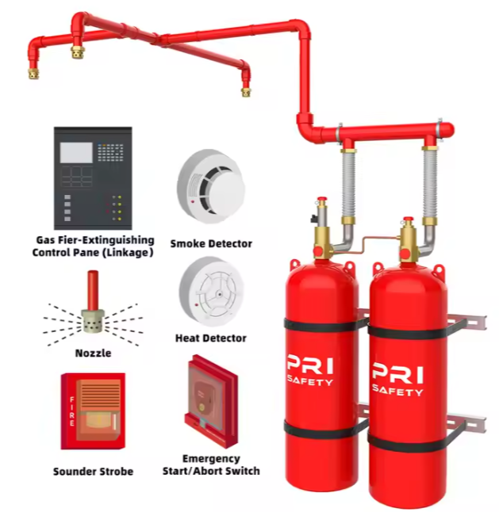 | lump sum | 1 |  | € -
10.8.10 | Supply, install, O2 gas fire extinguisher weighing 5 kg,ALLEGRO SAFETY 3100 Fire Extinguisher Wall Case, Large |  | no. | 1 |  | € -
10.9 | Public address system (Provisional)
10.9.01 | Supply, install, connect, test, label and commission complete Public address system, Rate includes everything necessary for proper operation, Also An inspection certificate from a competent official body, shop drawing and all items described in the Technical Specification and Layout as on complete system, as per ITC , TOA , INTER M. or Approved Equal
10.9.02 | Amplifier with Timer 240W, as MPT-240 MP3, or its approved equivalent. |  | no. | 2 |  | € -
10.9.03 | Digital Mixer Amplifier with MP3/Tuner/Bluetooth 240W, as T-240DTBV, or its approved equivalent. |  | no. | 1 |  | € -
10.9.04 | 6 Inch Two Way Wall Speaker 2.5W-5W-10w,as T-612, or its approved equivalent. |  | no. | 36 |  | € -
10.9.05 | 10 Zone Paging Systems as T-6212(A) or its approved equivalent. |  | no. | 4 |  | € -
10.9.06 | Paging Microphone, as T-218(A), or its approved equivalent. |  | no. | 1 |  | € -
10.9.07 | UHF-Dual Channel Wireless Microphone, 2 headset as T-522US, or its approved equivalent. |  | no. | 1 |  | € -
10.9.08 | Weatherproof music Horn Speaker as T-710K ,or its approved equivalent. |  | no. | 9 |  | € -
10.9.09 | Dynamic wired Handheld Microphone as TS-331,or its approved equivalent. |  | no. | 4 |  | € -
10.9.10 | Supply, install, Microphone Holder for Mic Stand Wall Mounted Microphone Hanger Clip Double Hook Stands Holder Bracket Rack Clamp with Screws Microphone Accessories | 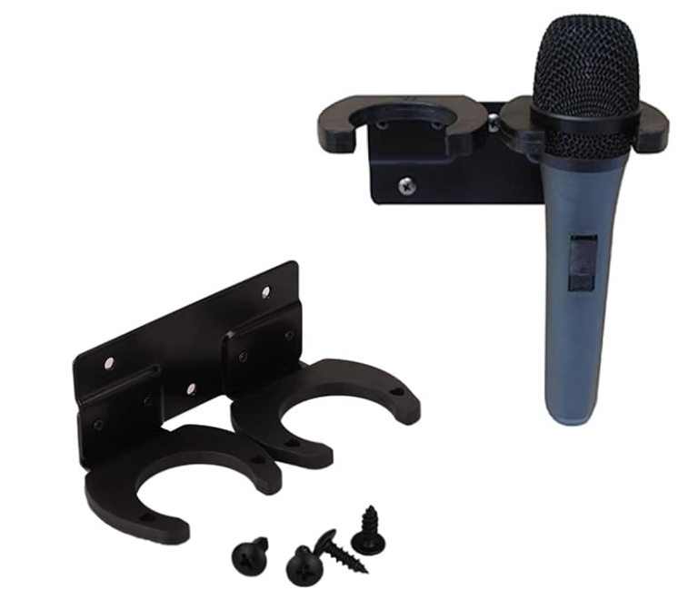 | no. | 4 |  | € -
10.9.11 | Supply, install, connect, test, label and commission complete Surface wall mount boxes, protected to IP65. Female 3 pin XLR connector Neutrik mic connector , rate includes professional mic cables and hard PVC outdoor conduits, as the specifications and supervision engineer's directions. |  | no. | 3 |  | € -
10.9.12 | Supply and install a 20U rack cabinet (600mm depth) including: Front & rear lockable doors, Adjustable mounting shelves, Integrated cooling fans, Power distribution unit (PDU), Full set of installation accessories |  | no. | 2 |  | € -
10.9.11 | Reconnecting and operating air conditioners based on new electrical outlets. The price includes all necessary cables, pipes, boxes, drilling, filling, and everything required for operation, even if it is not mentioned. |  | lump sum | 1 |  | € -
10.10 | 3 phase KWH Meter
10.10.01 | The contractor must include the unit price as a percentage above 100% to cover overhead and profit for grid connection works. The quantity represents an initial estimate of JDECO fees, which will be adjusted based on official stamped invoices from relevant authorities (Certified Electrical Engineer, JDECO, or Civil Defense). This includes all connection requirements, such as upgrading the capacity to 3×125A, performing all necessary tests, obtaining approvals, and paying required fees. The contractor is fully responsible for all costs and coordination with JDECO, and acceptance of works will only occur after permanent grid connection is completed. |  | percentage | 7000 |  | € -
10.10.02 | (Provisional) Rehabilitation of the sub-electrical panel. The price includes replacing all breakers and the distribution bridge for the neutral and ground. The price includes numbering and creating a diagram for the panel. |  | lump sum | 1 |  | € -

SUMMARY |  |  |  |  |  | Amount (EUR)
1.00 | EXCAVATION, DEMOLITION, & EARTH WORKS |  |  |  |  | € -
2.00 | Waterproofing |  |  |  |  | € -
...

Lot 1B
...
1 | EXCAVATION, DEMOLITION, & EARTH WORKS |  | TOT | € -
4.18 | 3 Ceiling Exhaust adjustable aluminium Grill with the following Dimensions : rectangular air Grill with diameter 4"*10" | Ceiling mounted exhaust air grill with register Price includes: All Fittings and Accessories needed for complete installation.
4.19 | 8 M(Linear) Air Ducts Galvanized air ducts in various thickness as required by Smacna. | Price includes: Hanging , supports and brackets where required All Fittings and Accessories needed for complete installation.
4.20 | 2 External Shutter Grills with dimensions 10/10 cm | Aluminum Louvers are completley weather proof and rain proofblade lips
4.21 | 1 lump sum Groundin gsystem as per detailed drawings
4.22 | Cables of type N2XY (XLPE) or NYY, 3 x 4mm² section, fixed to structure, placed on ladders, or inside ducts, or inside conduits, including connections at both ends. (around 50 m(linear) | Supply, install, test and commission 600/1000 volts N2XY (XLPE) copper cables with all required accessories for proper installation and operation, cable lugs, ties. as shown on drawing, as per the preamble, the specifications and supervision engineer's requirements.
4.23 | Two * (16A power twin socket outlet /water proof) | Legrand, GEWISS or Unica/Schneider: rate includes conduits, 3*2.5mm² N2XY cables to related electrical panel, as the specifications and supervision engineer's directions.
4.24 | Supply, install, connect, test and commission Two Firefighters' circuit breaker IP65 2P 35A, including all conductors, fire retardant rigid PVC conduits, N2XY cables (3*2.5mm2),Cable glands , boxes, connection cables and all other accessories. as per drawings specifications and related standards.
4.25 | 2 pole switch with indication light boiler switch water proof (3 items)
4.26 | Supply, install, test and commission Electrical one panel (DB1-4), 12 module ,IP 68 , rate includes , N2XY cables to related electrical panel, as per drawings specifications and related standards,and supervision engineer's directions,
4.27 | Seven Lighting points Internal / External lighting point (N2XY 3x1.5 mm2) | Supply, install, connect, test and commission a complete lighting point including all conductors, fire retardant rigid PVC conduits, N2XY cables (3*1.5mm2), switches , boxes, connection cables and all other accessories. as per drawings specifications and related standards.
4.28 | ( 4 lighting fixtures) A professionally designed, recessed ceiling LED panel series with an IP65 rating, White recessed LED panel 295X1195 40W,neutral light ,4200K,3550 LM,Lifespan≥50,000 Hr, as NISKO , SIDELIGHT LED side series,SKU: 17840307 or its approved equivalent. | 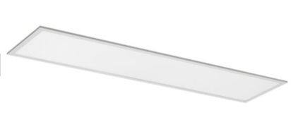
4.29 | One Signage adapted to LUXX /XT 3W exit sign. The height of the sign is 15 cm, exit sign straight down arrow, Rechargeable lighting and emergency lighting. including all supports, lamps ( Philips , Cree,OSRAM LED ), suspensions, clamps, switchgears, internal conductors and/or cables, and all other accessories necessary as per drawings, specifications and related standards. All lighting fixtures should be fixed to concrete celling an hanged by 2 steel ropes. Approved manufactures for this section is Philips, Osram, Sylvania or engineer's approved equal.

SUMMARY |  |  |  | Amount (EUR)
1.00 | EXCAVATION, DEMOLITION, & EARTH WORKS |  |  | € -
2.00 | CONCRETE , BLOCK WORKS AND STONE WORKS |  |  | € -
3.00 | MECHANICAL WORKS |  |  | € -
4.00 | CARAVAN WORKS |  |  | € -

 |  |  | Total [Excluding VAT] | € -
 |  |  |  | Total to be reported in tender documents, Form (2) Prices, p. 49/69
...

Lot 1C
...
1 | DEMOLITION & EARTH WORKS |  |  |  | TOT | € -
1.01 | Cutting, Dismantle and removal the existing steel protection (steel panels with frames) at the main elevation- external wall, the columns should be kept to be used to install the new fence | د | m2 | 184 |  | € -
1.02 | Removal the plaster on the external wall to prepare it for colored plastering | All according to the Director of Works. Rate includes removal of surplus material from site to an approved dumping area, all according to specifications and the directon of diector engineer. Conrtactor should submit a drawing to show the elements for demolishing to be approved by the work director | m2 | 60 |  | € -
1.03 | Ditto for the wall under the pergola next to building 3 |  | m2 | 77 |  | € -
1.04 | Ditto for the wall next to main gate |  | m2 | 24 |  | € -
1.05 | Removal the plaster on the internal wall to prepare it for new internal plastering | All according to the Director of Works. Rate includes removal of surplus material from site to an approved dumping area, all according to specifications and the directon of diector engineer. Conrtactor should submit a drawing to show the elements for demolishing to be approved by the work director | m2 | 92 |  | € -
1.06 | Dismantle and removal the existing steel pergola next to building 3- steel panels and structure | Rate includes removal of other metal . All according to the Director of Works. Conrtactor should submit a drawing to show the elements for demolishing to be approved by the work director | lumpsum | 1 |  | € -
2 | STONE WORKS |  |  |  | TOT | € -
2.01 | Cleaning the existing stone & removal of existing mortar in the External wall, with the treatment of the damaged stones, and pointing with white cement mortar, including water proofer material (Begy Bond) or equivalent. including the cleaning by sand, pointing, and fixing the existing stone steps. | Rate includes carting away the debris. Rate includes removal of planrt with suitable chemical materials All according to the drawings and to the instructions of the Director of Works. | m2 | 80 |  | € -
2.02 | Cleaning the existing stone & removal of existing mortar in the Administrative building's walls External main wall in addition to internal wall under the epansion joint by manual cleaning with a good cleaning of the dust, with the treatment of the damaged stones, and applying pointing with white cement mortar, including water proofer material (Begy Bond) or equivalent. including the cleaning, pointing, and fixing the exxisting stone steps. | Rate includes carting away the debris. All according to the drawings and to the instructions of the Director of Works. | m2 | 60 |  | € -
2.03 | Supply & install ground stainless steel drainage trench 15 cm width with cover for playground, and the court under the pergola Rates includes removal of old metal trench, excavations or tile removal or cutting and fixing all the srrounding of new trench Rate includes connecting the trenc with the manhole and using the suitable connection that will be approved by director of work, Digging, refilling and retiling Connecting to drainage system with required fittings and Accessories needed for complete installation. All digging and required fittings to proper installation | 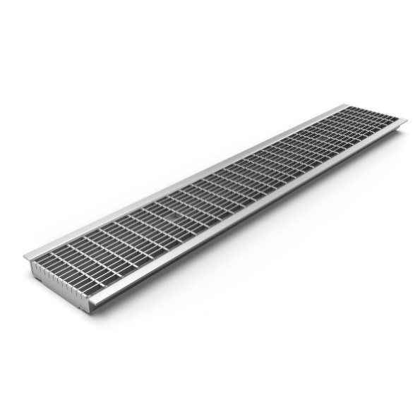 | m (linear) | 7 |  | € -
2.04 | (Provisional) Supply & install a step under pergola from granite with horizontal lines texture to be non-slip to modify the difference of levels and slope of rain water between two tile types covering the total width of the corridor about 2m | 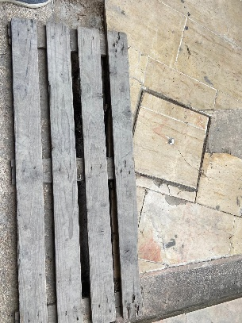 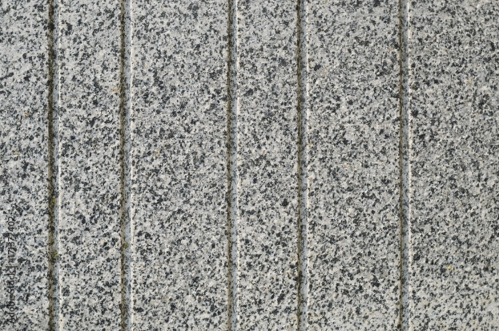 | m (linear) | 2 |  | € -
3 | PLASTERING WORKS |  |  |  | TOT | € -
3.01 | Internal Plastering 13mm | rates includes removal of old plastering, preparing surfaces and apply in three coats of rough and fine finish with ordinary Portland cement, sand and lime as specified 13mm thick on walls The price includes installation of metal lathe 200 mm wide to all chases of electro mechanical works and to junctions of block work and concrete. It shall also include for all stop beads, angle beads Ref Protector 1012, 3204, and movement beads, all per engineer's instructions. | m2 | 92 |  | € -
3.02 | External decorative rough colored plastering for the main elevation and next to exit door | Supply and install flexible acrylic plaster coating. Surface preparation: make sure that the surface was prepared by external plastering. Application: apply using brush or roller one coat of special colored bonding primer ,apply one coat of the flexible acrylic plaster using metal spatula and move the spatula to get the desired uniform texture, manufacturer tambour acrylic shlicht system or equivalent, color to be selected by the engineer. | m2 | 85 |  | € -
3.03 | Ditto for the wall under the pergola next to building 3 |  | m2 | 77 |  | € -
4 | PAINTING WORKS |  |  |  | TOT | € -
 | Painting works includes moving all the school futrniture and covering to keep clean from dust and paint to keep it clean and return all furniture to their original places before provisional acceptance, also painting works are including dismantle and reinstall equipment, trunks and other to complete the works as required
4.01 | Supply & apply internal acrylic paint for walls for buildings 1 & 2 & 3 Rate includes oil painting of wooden belts on the wall (dismantle and reinstalling)- rate includes sanding | Supply all kinds of raw material and apply 3 layers of acrylic paint supercryl 2000 from tambour or equivalent for internal walls wherever needed or instructed by the site engineer, Rate includes preparing the surface, cleaning, removing dust and foreign matter, sanding with sandpaper, checking the walls with Calcimo X and putty (GOLD BOND brand or an approved equivalent), then applying three coats of SUPER CRYL 2000 or equivalent, all as instructed and approved by the site engineer and all according to specifications (color be specified by the engineer taking into consideration that color has to be ready mixed). | m2 | 812 |  | € -
4.02 | Supply & apply internal acrylic oil for walls for buildings 1 & 2 & 3 | Supply all kinds of raw material and apply oil paint for internal walls 1.5 m high , the price should include preparing surface, clean, remove dust and foreign matter, sanding with sand paper and remove all layers of existing paint, checking the walls with Calcimo X and putty, applying one coat of PAINT FILL Product from an approved company, laying two coats of putty from an approved company, applying one coat of SUPER BOND ROLL and applying three coats of oil paint from an approved company and all according to engineer's instructions. | m2 | 395 |  | € -
4.03 | Supply & apply Polycid paint for ceilings of Building 1 & 2& 3 and toilets in between including 3 classroms of cross vault- Area is calculated as engineering measurements which are considered horizontal | Rate includes preparing the surface, cleaning, removing dust and foreign matter, sanding with sandpaper, checking the walls with Calcimo X and putty (GOLD BOND brand or an approved equivalent), then applying three coats of 3 layers of polycid paint with all needed materials. | m2 | 240 |  | € -
4.04 | Supply and paint three layers of Hummertone oil paint for metal steel tubes of protections at the external wall | Rate includes three coats of oil paint and one coat of primer, rate include cutting all edges and sanding colour to be given by engineer, and all according t the instructions of director of work | m (linear) | 105 |  | € -
...
1 | DEMOLITION & EARTH WORKS |  |  |  | TOT | € -
6 | STEEL WORKS& ACCESSORIES |  |  |  | TOT | € -
6.01 | Supply & install a steel structure system for pergola, Structure cosists of RHS 150*50*3.25mm vertical and RHS40*20*3.25mm horizontal grid, and at Roof edge to be install Steel Plate 40cm Height 2cm Thick along the roof parapet , the strcture to be fixed to the Concreet wall using 20*20cm plates and4 M12Bolt L=20 cm , the whole structure to be covered with 2.8mm Bee Hive corrugated polycarbonate sheet | Rate Including all Steel Section to be Galvanized , rate includes plates, anchors, welding , Using Epoxy Resin Sika Fast Dry and all necessary RHS Column to complete the works as as the deatils in drawings S01 | m2 | 65 |  | € -
6.02 | Supply and install fence consists of two sections; one of galvanized steel perforated panels 4 mm Thich with circular hole pattern Rate includes galvanized frame 40*40*2.6mm, & oven painting with chosen color by the director of work, welding plates, the second is with Artificail wood (WPC) fence 13.7*2.8 cm, made of a mixture of 50% durable polymer and 50% wood fibers,resistant to outdoor conditions, moisture and UV radiation from the sun. and shop drawing should be submitted by the contractor. see Detail of fence in drawing A13 | Rate includes all necessary anchors, welding, plates for installation to existing steel structure, all according to the director engineer. Contractor should submit a sample on site according to detrections of Director of works Rate includes "U", single, double and corner profiles and Aluminuim profile to cover the top of the fence, screws according to specifications of the manufacture to be fixed on steel tubes. All to complete the work and according too the director of work. Contarctor sould submit a sample on site to be approved by the director of work and according to directions | m2 | 182 |  | € -
6.03 | Supply & painting the existing metal columns with hummer oil paint from Tambour or equivelent | Rate includes: preparing the surface, cleaning, removing dust and foreign, sharp matter, sanding with sandpaper, three coats of poliur paint and one coat of primer, color to be given by engineer, and all according t the instructions of director of work (the color theme will be given during implementation) | L. (meter) | 70 |  | € -
6.04 | Supply and install CNC cut patern for the name of the school panel above the main gate of galvanized steel 4 mm thich. Rates includes oven painting with chosen color by the director of work,submittal should be approved by the director of works | Rate includes all nesseccary anchors, welding, plates for installation to steel flooring and walls, all according to the director engineer. | m2 | 5 |  | € -
6.05 | Supply and install Bee Hive corrugated polycarbonate sheet, thickness (2.8 mm) with increased resistance to wind and weight loads, 99.9% protection against ultraviolet radiation resistance – 50% more than regular corrugated board Soft lighting – 100% light diffusion UV protection , submital should be submitted & color will be chosen by the director of works. | Rates includes adjusting the slope of pergula to drain rain water in addition to installing a galvanaized steel gutter and connecting to rain water channel or manhol. All according t the instructions of director of work | m2 | 65 |  | € -
7 | Water & Thermal insulation |  |  |  | TOT | € -
7.01 | Supply & install one primer coating and one 4mm thick layer of modified bituminous membrane approved by director engineer on a clean surface in addition to cleaning all drainage gutters and openinigs on the roof (only maintenance for existing insulations where required) on roof of Building No. 1 - D1 on A10 all works should be according to engineer's instructions inorder to prevent leakage - water test leakage is required | Price includes a layer of cemntious insulation (Glans)+primer+bitumenous membrane Rate includes supply and install a safe metal stairs to be used by the supervision during implementation and removal after finalizing the works | m2 | 100 |  | € -
7.02 | Supply & apply two layers of transparent elastic aliphatic polyurea for the waterproofing of cleaned, polished and grouted tiles At Roof of Building No.1. - D1 on A10 Like Mapei Antipluviol or equvalent | Rate including Plastering Ede Parapet with water proof coloured plaster ,suply and install stone coping 3cm thick and 25 cm wiedth where needed and as engineering instraction | m2 | 40 |  | € -
7.03 | Supply and install Stainless steel trenchs with cover at roof of Building No 1 ,as shown in drawings,specifications and approval of supervisor engineer the price includes pipes and connecting to Existing Floor Trap | Rate including Removal of stone Tile , until Reach Roof Slabe , Applying Two Coat of Sika 107 , retilling Stone Tile,Pointing ,connecting to existing drainage Pipe | m (linear) | 7 |  | € -
7.04 | Supply and install rust-free galvanozed steel construction for downspout rain gutter with dimensions of 3"*4" in order to guide rainwater along the wall, rates includes downspout bands or clips and its crimped end, elbows, & extensions, Rate includes what is necessary for installation, color will be chosen by the director of work rate includes any excavation works to connect it to the garden or drain point with fixing all after the works | 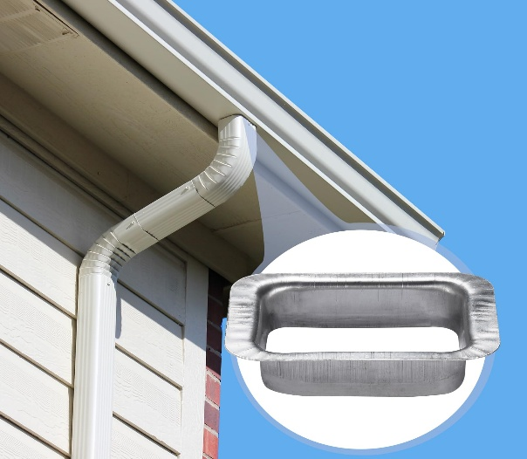 | m (linear) | 10 |  | € -
7.5 | (provisional) Supply, and install vent of 4' pvc for the current sanitary unit, rate includes excavations, cutting and reolacing the old pipe, all connecting fittings, clips, elbows, to complete the work, with hieght more than the sanitary Units | Rate includes fixing the tile, grouting and required to cmplete the job | lumpsum | 1 |  | € -
9.00 | FURNITURE & EQUIPMENT |  |  |  |  | € -
9.1 | Supply & install high-quality dry erase whiteboard designed for school/classroom use. Surface printed with permanent faint grid lines (e.g., 5cm x 5cm), dimensions 120 cm x 240 cm, Magnetic, enamel-coated steel, Scratch-resistant, non-reflective, and easy to clean, aluminum frame with rounded plastic corners for safety. Full-length pen tray (minimum 30 cm) for markers and eraser. Wall-mountable with concealed or visible mounting brackets (include screws and anchors). |  | no. | 4 |  | € -
9.2 | Supply & install Internal manually operated roller blind designed for classroom uses all according to dimennsions of windows with different widths (120-140 cm) and hieght of 160 cm, High-density polyester, Flame-retardant, UV-resistant, Aluminum roller tube, diameter: 32–38 mm depending on height, Heavy-duty internal mechanism suitable for frequent use Operated via beaded chain (metal or plastic), side-controlled |  | no. | 6 |  | € -
8 | ELECTRICAL WORKS |  |  |  | TOT | € -
 | Note: Contractor shall provide samples and shop drawings for all items for approval prior to the execution of these item.
 | Rates of electrical installations shall includes for:-
 | Electrical works prices include dismantle and removal of old existing works and to be handed over to the supervising engineer in good condition.
 | Electrical works including all required materials, accessories, labor, all as required according to drawings, specifications and bill of quantities.
 | Forming, or cutting hales, chases, channels etc.in reinforced concrete structure, block works or existing walls
...
1 | DEMOLITION & EARTH WORKS |  |  |  | TOT | € -
8.4.04 | Supply, install, connect, test and commission a Firefighters' circuit breaker IP65 4P 35A, including all conductors, fire retardant rigid PVC conduits, N2XY cables (5*2.5mm2),Cable glands , boxes, connection cables and all other accessories. as per drawings specifications and related standards. |  | no. | 24 |  | € -
8.4.05 | Supply, install, connect, test, label and commission complete 1 HDMI and 1 Ethernet Wall box, rate includes data cable ( hard PVC outdoor ), boxes, RJ-45 (3M, DATWYLER or R&M ) conduits,4K HDMI 5m cables , as the specifications and supervision engineer's directions. |  | no. | 2 |  | € -
8.4.06 | 2 pole switch with indication light boiler switch |  | no. | 2 |  | € -
8.5 | Main Electrical Distribution Panels Sport Electrical Panel
8.5.01 | Supply, install, test and commission (MDB),The electric switchboards shall be produced by a switchboard manufacturer certified by the Standards Institution of IEC 61439-2 . The switchboards must be ASSEMBLY system. The switchboard manufacturer shall be capable to provide engineering services both in consultation and maintenance, as per drawings specifications and related standards, and as requested by the supervising engineer, even if not mentioned. | Supply and installation of the equipment Rate includes transporting, storage support, connection to power field and factory testing, shop drawing and all items described in the Technical Specification and Layout as on complete system | no. | 1 |  | € -
8.5.02 | Supply, install, test and commission Electrical panel (DB1), The electric switchboards shall be produced by a switchboard manufacturer certified by the Standards Institution of IEC 61439-2 . The switchboards must be ASSEMBLY system. The switchboard manufacturer shall be capable to provide engineering services both in consultation and maintenance, as per drawings specifications and related standards, and as requested by the supervising engineer, even if not mentioned. | Supply and installation of the equipment Rate includes transporting, storage support, connection to power field and factory testing, shop drawing and all items described in the Technical Specification and Layout as on complete system | no. | 1 |  | € -
8.6 | Lighting System
8.6.01 | Removing unneeded wiring | Removing all unneeded existing electrical wiring and old lighting units, handing them over to the school according to the rules. | lump sum | 1 |  | € -
8.6.02 | Lighting point Internal / External lighting point (N2XY 3x1.5 mm2) | Supply, install, connect, test and commission a complete lighting point including all conductors, fire retardant rigid PVC conduits, N2XY cables (3*1.5mm2), switches , boxes, connection cables and all other accessories. as per drawings specifications and related standards. | no. | 195 |  | € -
8.6.03 | Lighting Fixtures | Supply, install, connect, test and commission complete lighting fixture, including all supports, lamps ( Philips , Cree,OSRAM LED ), suspensions, clamps, switchgears, internal conductors and/or cables, and all other accessories necessary as per drawings, specifications and related standards. All lighting fixtures should be fixed to concrete celling an hanged by 2 steel ropes. Approved manufactures for this section is Philips, Osram, Sylvania or engineer's approved equal.
8.6.04 | wall mounted, IP65 , 110 cm - 70W, LED lighting fixture ,115lm/W , 5000K, BAYER 2407 Polycarbonate Walls,Lifespan≥30,000 H, As new-light,Arrow Profile, or its approved equivalent. | 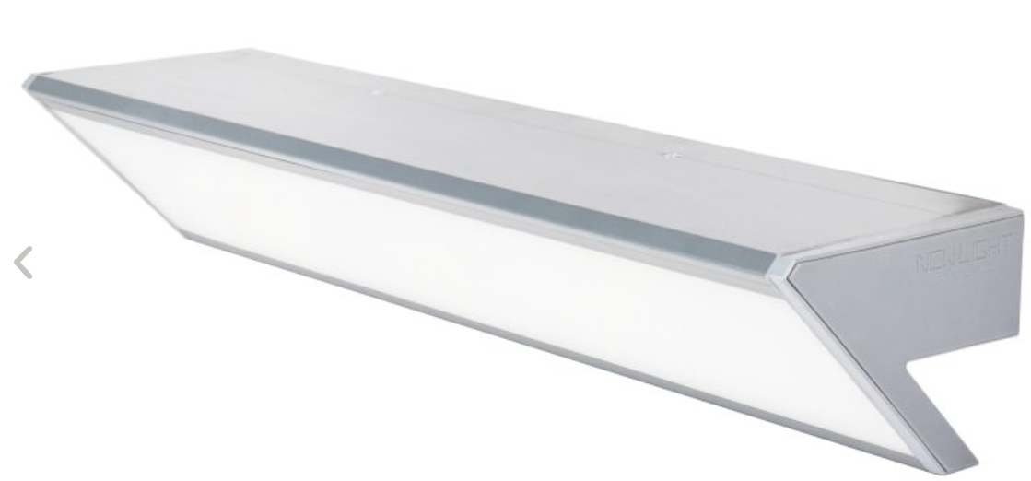 | no. | 4 |  | € -
8.6.05 | Interior Lighting, Wall lamps, Mali 4X36W, neutral light LED lighting fixtures T8 LED bulb with high light efficiency that allows for energy savings 125cm. Lifespan≥30,000 Hr,as golden-light,SKU: 90991, or its approved equivalent. |  | no. | 38 |  | € -
8.6.06 | Compact LED light fixture, attached to the wall/ceiling, with IP65 opacity. 12W,4300 LM, 6500K,Lifespan≥30,000 Hr,as NISKO,MAGNUM series, or its approved equivalent. |  | no. | 6 |  | € -
8.6.07 | High-quality ceiling-mounted with an IP65 white CLICK 40W WH 40cm, ,6500K,4300 LM,Lifespan≥35,000 Hr, as NISKO,MAGNUM series, or its approved equivalent. |  | no. | 10 |  | € -
8.6.08 | Signage adapted to LUXX /XT 3W exit sign. The height of the sign is 15 cm, exit sign straight down arrow, Rechargeable lighting and emergency lighting |  | no. | 10 |  | € -
8.6.09 | professional LED floodlights designed with a powerful luminous flux,100W T2 150X50° IP66 neutral light,150Lm/W,Lifespan≥50,000 Hr,as NISKO,SKU: 74510150 series, or its approved equivalent. |  | no. | 8 |  | € -
8.6.10 | Single-purpose, ceiling-mounted,white SPARK 3W neutral light, round emergency lighting, designed to illuminate escape routes according to standard 1838 and includes a control unit for testing the battery, converter, charging and discharging voltage.as NISKO,SKU: 77703014 , or its approved equivalent. |  | no. | 1 |  | € -
8.7 | Low Voltage Points
8.7.01 | Data Points (Data, Telephone, Camera, Monitor,Intercom) (Provisional) | Supply, install, connect, test, label and commission complete data point including conduits ( hard PVC outdoor ) boxes, RJ-45 (3M, DATWYLER or R&M ) socket outlet with 8 pins being crimped and also earth pin for (Cat 6A) FTP data cables as per drawings, specification and related codes | no. | 70 |  | € -
8.8 | Fire alarm system (Provisional)
8.8.01 | Supply, install, connect, test, label and commission complete fire alarm addressable system, Rate includes everything necessary for proper operation,Also An inspection certificate from a competent official body, shop drawing and all items described in the Technical Specification and Layout as on complete system
...

