Lot 2
PUBLIC WORKS TENDER FOR THE REHABILIATION OF FIVE SCHOOLS IN EAST JERUSALEM
LOT 2 - AL-NITHAMIYEH BASIC GIRLS' SCHOOL
Tender No: PSE22001-10074
Annex 1 - Bill of Quantities

Nr. | ITEM | DESCRIPTION OF WORK NEEDED / SPECIFICATIONS | UNIT | QUANTITY | RATE € | TOTAL EURO

1 | EXCAVATION, DEMOLITION, & EARTH WORKS |  |  |  | TOT | € -
1.01 | Dismantle the furniture of the old lab including all the sinks, workstation tables, cupboards, gase and water pipes, fans, and any related items to the lab, all in good condition should be delivered to the administration of the school and transfer all debris to permitted places according to laws | Rates includes the price of moving the furniture, keeping it untill the works are done, also rate includes keeping the stools in good condition to reinstall after finalizing the works. | lumpsum | 1 |  | € -
1.02 | Moving the furniture of the school during painting works and other works is the responsibiity of the contractor and should keep in good situation and protect from damage, and reinstall after finalizing works |  | lumpsum | 1 |  | € -
1.03 | Carefully demolish the existing block partition as in drawings A03 | Rate also includes: - carting away the debris. All according to the drawings and to the instructions of the Director of Works. Contractor should ask the director of work about the appliences before carting away. | m2 | 8 |  | € -
1.04 | Dismantle and removal the lower & upper kitchenette cabinats and granit in addition to all mechanical works and fixtures including sink & faucet. | Rate also includes: - carting away the debris. All according to the drawings and to the instructions of the Director of Works. Contractor should ask the director of work about the appliences before carting away. | lumpsum | 1 |  | € -
1.05 | Dimantle and removal of wooden panels in front of MDB | Rates includes carting away the debris, fixing all halls or any other damage after dismantling the wooden panels. All according to directions of the dircetor of works. | no. | 1 |  | € -
1.06 | Breakdown and remove the existing ground tiles and its skirting up to 30 cm depth in the old lab and new lab | All according to the Director of Works. Rate also includes backfill underneath & carting away debris. Rate includes fixing any damage of the sanitary & plumping works during dismantling of the tiles, rate includes fixing and replacing any damaged gypsum boards of the walls in the lab during dismantling and demoloshing works Conrtactor should submit a drawing to show the elements for demolishing to be approved by the work director | m2 | 60 |  | € -
1.07 | Ditto for the floor of the kitchen of the teacher's room | All according to the Director of Works. Rate also includes backfill underneath & carting away debris. Conrtactor should submit a drawing to show the elements for demolishing to be approved by the work director | m2 | 8 |  | € -
1.08 | Excavations next to external wall in the basement excavations depth range (15-20 cm) for | Rate includes refilling for the suitable level according to site conditions. Rate includes removal of surplus material from site to an approved dumping area, all according to specifications and the directon of diector engineer. | m2 | 16 |  | € -
1.09 | Dimantle and removal of part of the concrete steps using mechanical tools to keep fine edges and cut (dismantle two steps each step is about 1.2 m length) | Rate includes - Refix all cutten edges with external plastering using wire mesh - removal of surplus material from site to an approved dumping area, all according to specifications and the directon of diector engineer. | no. | 1 |  | € -
1.10 | Dimantle and removal of internal plastering in the kitchenet | Rate also includes: - carting away the debris. All according to the drawings and to the instructions of the Director of Works. Contractor should ask the director of work about the appliences before carting away. | m2 | 7 |  | € -
2 | CONCRETE , BLOCK WORKS AND STONE WORKS |  |  |  | TOT | € -
2.01 | Supply and Cast Reinforced Concrete Grade 'B 300' for solid slab 10cm thick at the court and the classrooms | minimum cement content of 350 Kg. per cubic meter CONSISTS OF ONE LAYER OF STEEL GRIDS 8@20 All according to detailed drawings and to the instructions of the Director of Works. | m2 | 78 |  | € -
2.02 | Supply and build hollow concrete blocks 10 cm including 8mm dowels every two courses | Rate iclude built in cement sand mortar (1:3) mix. The rate includes 20cm high reinforced beams over doors and over 2m high block wall, running through the total length and width of the block wall, and all according to drawings and engineer's instructions. | m2 | 8 |  | € -
2.03 | Works of cleaning stone in the new toilet | Rate also includes: - carting away the debris. All according to the drawings and to the instructions of the Director of Works. | m2 | 5 |  | € -
3 | GYPSUM BOARDS AND FASLE CEILING WORKS |  |  |  | TOT | € -
3.01 | Supply and build 7cm overall thickness 1 faces blue prefinished gypsum partitions (water proof) for new toilet (to cover the internal Aluminuim Façade with keeping an opening for the window, the contractor should submit a shopdrawing showing the opening of the studs, gypsum boards, aluminuim corners to closing the edges to be approved by the director of works. | Rate includes: The gypsum structure will be composed of 1.27cm gypsum boards, metal studs 0.6 mm thick , 40 center to center, anchoring to walls, ground using rubber bed matt, and ceilings, angles with the opening/ The works shall be carried out according to the instructions and to the approval of the Director of Works. | m2 | 6 |  | € -
3.02 | Supply and build 7cm overall thickness 2 faces blue prefinished gypsum partitions (water proof) for new toilet | Rate includes: The gypsum structure will be composed of 1.27cm gypsum boards on both faces, 7cm wide metal studs 0.6 mm thick , 40 center to center, anchoring to walls, ground using rubber bed matt, and ceilings, work includes The rate also includes 120x60x5cm thick compressed ready-made rock wool panel boards, 24kg/m3 The works shall be carried out according to the instructions and to the approval of the Director of Works. | m2 | 2 |  | € -
...
6.06 | Supply & apply oil painting for wooden doors in the ground floor including dismantle of finger protection, fixing the locations of screwa, reinstall the finger protection after painting, rate includes painting the frame and adjusting after painting (عيار الباب) | Supply all materials needed and apply poliur paint for wooden doors, works include remove old paint using sand paper. Clean thoroughly .fill holes with PVA putty and allow drying completely . Sand the putty to obtain a uniform clean and smooth surface .Apply two or three coats of water based poliur using manufacturer tambour water based poliur or equivalent , color to be selected by the engineer and all according to engineer's instructions, works include dismantle door hardware and reinstall after finishing the paint. | no. | 12 |  | € -
6.07 | Supply & apply thermo plastic painting for playground 4mm thickness, Wear Resistance Loss < 10% after 10,000 passes (AASHTO T250), Reflectivity >300 mcd/m²/lux initially, Skid Resistance BPN >45. Applying should be according to directions and manual of manufacturing company | Rates include: - Cleaning the asphalt and removing old paint, cutting and removing dangerous objects from the ground like screws and metal pipes and any damaged objects. - one layer of primer before applying the thermo-plastic paint Submital and colors should be approved by the director of work | m2 | 400 |  | € -
7 | CARPENTRY & JOINERY WORKS |  |  |  | TOT | € -
7.01 | Supply & install wooden door for class rooms in the basement floor the door design should include a fixed glass window 40*40 cm and louvers from below 40*40 cm, rate includes installing finger protection | overall size (85 x 210cm x 45mm thick), or (90 x 210cm x 45mm thick), (70 x 185cm x 45mm) thick thick, complete with 2mm galvanized steel frame, 20 cm high stainless steel sheet 1.5mm thick screwed to door from both sides, 46x37mm hard wood edging (beech wood), 5mm plywood with formica finish as Formix or equevilant, architrave, cover bead, handles, lock, weatherboards, ironmongery, hardware and painting where needed. Ironmongery for the wooden doors as follow: Locks, cylinders, and handles are "UNION" original British made, or equivalent. Rate includes removal of old doors ,removal of waste outside the site within one day of removal to the places designated for this by the municipality. | no. | 5 |  | € -
7.02 | Supply & install wooden door for the new toilet in the ground floor | overall size (85 x 210cm x 45mm thick), or (90 x 210cm x 45mm thick), (70 x 185cm x 45mm) thick thick, complete with 2mm galvanized steel frame, 20 cm high stainless steel sheet 1.5mm thick screwed to door from both sides, 46x37mm hard wood edging (beech wood), 5mm plywood with formica finish as Formix or equevilant, architrave, cover bead, handles, lock, weatherboards, ironmongery, hardware and painting where needed. Ironmongery for the wooden doors as follow: Locks, cylinders, and handles are "UNION" original British made, or equivalent. | no. | 1 |  | € -
7.03 | Supply & install lower kitchenette cabinets size 60cm wide x 90 cm high, in addition to side cabinet 60*75*240 cm | Composed plywood wooden frame , 20mm blockboards to be high quality formaica both sides (colours are selected by the director of Works), and Beech wood lipping to all exposed edges, including corners, doors, the blockboard base, back, shelves, drawers, sides, stiles, locks and rails, ironmongery, hardware, and paint where applicable. The contractor should submit a shop drawing to be approved by the director of the work. All according to the instructions of Director of Works. | m2 | 3.1 |  | € -
7.04 | Supply and installation of wooden wall bands made of Swedish pine wood in classrooms, Width 20 cm, thickness not less than 2 cm, length as required on site, Mounted on walls at a height between 70–90 cm from finished floor level, as per approved by director of works | Rate includes treatment and paints: Smoothly sanded, Coated with one layer of primer and two layers of clear scratch-resistant varnish, Fixed to the walls using concealed metal brackets or dowel + screw system for secure attachment, Screw holes must be filled and smoothed before final coating, Bands must be aligned precisely with no visible joints or misalignments | m (linear) | 42 |  | € -
8 | STEEL WORKS AND ALUMINUM ACCESSORIES |  |  |  | TOT | € -
8.01 | Supply and install railings of bended galvanized steel panels 4 mm thich along the existing fence of the play ground with same width of existing fence in front of the school. Rates includes oil painting (hummertone) for panels and existing structure with chosen color by the director of work, contractor should submit a shopdrawing the details and fixing mechanisms that must be approved by the director of works | Coated with one layer of primer and two layers of clear scratch-resistant varnish (or as approved by the supervising engineer) | m2 | 80 |  | € -
8.02 | Supply & install metal galvanized fence with a height of 2m. as D1 in drawing A02- consist of three layers: the galvanized structure (60*40*3)mm tubes ,Metal Mesh (150*50*5)mm from the external side and galvanized metal sheets from the internal side of the fence with dimensions (150*1820*3 mm) | Rate includes plates, bolts, excavations for footings & RC concrete footings 40*40 cm with depth of 50 cm for each column, angles, connecting with adjacent stone buildings from both sides, and all necessary work to complete the woork according to the instructions of the director of work ( each tube needs seperate footing each 3 m) | m2 | 28 |  | € -
8.03 | Maintenace of existing aluminium windows, in the basement floor only rate includes removal of the fans on the alumunium windows, replacing the the glass apply any required maintenace for the window, rubbers, lock, fly screen, … The dismantled fans should be submitted to the admionistation of t he school. | 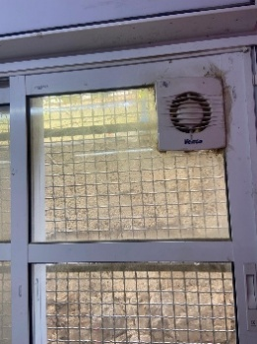 | no. | 10 |  | € -
8.04 | Supply & install MULTI-LOCK door for the lab that opens toward out side, single-sided, overall size 90 x 210cm, rate includes finger protectors | Completed with galvanized steel frame, handles, Z-shape galvanized stiffeners every25cm, 2mm thick steel sheet, 1 cm feamale thick hing, Nickel chrome door stopper "ALBA" type, door jack "YALE" type, lock pin introduced in 10cm deep steel jacket, rock wool, handles, loks, ironmongery, hardware, and painting. All according to the drawings ( A05) and to the instructions of the engineer. | no. | 1 |  | € -
8.05 | Replacing the transperent glass of existing window at the aluminium façade in the ground floor in the new toilet with Frosted Glass | rates includes all nessesary aluminuim works and maintenance of the window rate includes locks, silicone sealant, ironmongery, and hardware, fly screen. | m2 | 1.5 |  | € -
8.06 | Supply & install Metal Gate for at the corridor at the set back of the school wich is exit only (149* 200 cm) of galvanized steel RHS 80*80*2.6 mm thich & 60*40* 2.65 and 40*40*2 mm with Galvanized tubes covered with peforated galvanized panels 4mm thickness, oven painting with chosen color by the director of work,as detailed design in drawing A06 | Rate includes all accessories of saftey, ironmongery "WALLY" made locks to be opened from inside only, hinged toward outside and cylinder,handles and painting for door, one coat anti rust and three coats of oil paintr, color to be giver by the director engineer. | m2 | 3 |  | € -
8.07 | Installing and welding perforated panels on the existing door in the basement floor and closing all voids around the gate in addition to protection under the staircase, Rate includes : removing old painting by mechanical wire prush and sanding all the rust, and three coats of poliur paint and one coat of primer, colour to be given by engineer, and all according t the instructions of director of work | 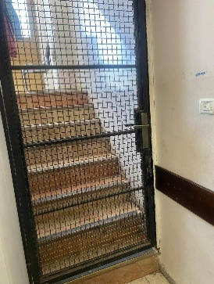 | m2 | 3.5 |  | € -
9 | WATER AND THERMAL INSULATION |  |  |  | TOT | € -
9.01 | Supply and install water insulation Under toilet & kitchenette floor tiles | Two coating layers of NITROPROOF or equivalent waterproofing material under floor tiles, 2mm thick for each layer, and to keep 24 hours between the two layers. Rate includes (Gluns) sanding layer (Cement and Sand 1:1) And the necessary work and treatment of angles, connections, and ends according to the manufacturer's instructions. And inspect the insulator after installation by immersing the surface with water at a depth of not less than (5) cm above the highest point, and all that is necessary according to the plans, specifications, and instructions of the engineer. Quantity will be calculated according to the horizontal plan only, no addition for vertical quantities. | m2 | 8 |  | € -
9.02 | Supply & install water insulation for the alumunium façade in the kitchenette & closing all opening, joints and gaps with Silicone Sealant with elasticity, stretching up to 500%, ensures durability against thermal expansion and contraction as Sashco Big Stretch or NOF Sslicone or equivelant. | Rate includes cleaning the aluminum and glass surfaces thoroughly to remove dust, grease, and contaminants. | lumpsum | 1 |  | € -
10 | FURNITURE AND EQUIPMENTS |  |  |  | TOT | € -
10.01 | Supply & install lower HPL 13 mm cabinets for lab size 60cm wide x 90 cm high, with Frame: frame of Reinforced phenolic core or compact laminate, Sealed with PVC or ABS edging, rate includes adjustable shelves and drawers for lab equipment, handels and hinges of 304 stainless steel, locks for all, the top counter is also HPL 13 mm Matt. Rate includes HPL panel with height of 50 cm between the lower and upper cabinets Rate includes 3sinks made of epoxy resin dimensions are (15*25*10 inches) with all needing accessories according to plan in darwing A04 The contractor should submit a shop drawing to be approved by the director of the work, & colors to be chosen by director of work. |  | m (linear) | 7.2 |  | € -
10.02 | Supply & install lower HPL 13 mm upper cabinets for lab size 40cm wide x 70 cm high, with Frame: frame of Reinforced phenolic core or compact laminate, Sealed with PVC or ABS edging, rate includes adjustable shelves and drawers for lab equipment, handels and hinges of 304 stainless steel, locks for all, The contractor should submit a shop drawing to be approved by the director of the work, & colors to be chosen by director of work. |  | m (linear) | 5.4 |  | € -
10.03 | Supply student's table which is High-pressure laminate (HPL) , size 120 cm x 60 cm x 75 cm (L x W x H), 30*50 mm Frame of Powder-coated steel or aluminum, Surface Finish is Non-porous, scratch-resistant, and easy to clean, PVC or ABS edging to prevent damage. submittal should be approved by director engineer. (photo for tables only) |  | no. | 8 |  | € -
10.04 | Supply chairs for the lab of polypropylene with stainless steel frame, Anti-slip mechanism at the bottomת submittal should be approved by director engineer. |  | no. | 17 |  | € -
11 | MECHANICAL WORKS |  |  |  | TOT | € -
 | Plumbing System
...
1 | EXCAVATION, DEMOLITION, & EARTH WORKS |  |  |  | TOT | € -
12.01 | Builders works | Supply, install, test and commission the following builders work including excavation and backfilling as shown on drawing, as per the preamble, the specifications SECTION 16130 and supervision engineer's requirements.
12.1.01 | Groundin gsystem as per detailed drawings |  | lump sum | 1 |  | € -
12.02 | Cables and Wires 600 Volt Cables | Supply, install, test and commission 600/1000 volts N2XY (XLPE) copper cables with all required accessories for proper installation and operation, cable lugs, ties. as shown on drawing, as per the preamble, the specifications and supervision engineer's requirements.
12.02.00 | Cables of type N2XY (XLPE) or NYY, 3 x 2.5mm² section, fixed to structure, placed on ladders, or inside ducts, or inside conduits, including connections at both ends. |  | m (linear) | 100 |  | € -
12.02.01 | Cables of type N2XY (XLPE) or NYY, 5 x 2.5mm² section, fixed to structure, placed on ladders, or inside ducts, or inside conduits, including connections at both ends. |  | m (linear) | 200 |  | € -
12.2.02 | Cables of type N2XY (XLPE) or NYY, 5 x 10 mm² section, fixed to structure, placed on ladders, or inside ducts, or inside conduits, including connections at both ends. |  | m (linear) | 20 |  | € -
12.02.02 | Cables of type N2XY (XLPE) or NYY, 5 x 4mm² section, fixed to structure, placed on ladders, or inside ducts, or inside conduits, including connections at both ends. |  | m (linear) | 100 |  | € -
12.2.03 | Cables of type Premium 16/4 Fire Alarm Cable 16 AWG 4 Conductors, Solid, Unshielded Plenum Rated – FPLP, CL3P, FT6, fixed to structure, placed on ladders, or inside ducts, or inside conduits, including connections at both ends. |  | m (linear) | 500 |  | € -
12.02.03 | Copper conductors, 35 mm² section, without PVC insulation, direct buried inside ducts or excavations, including connections at both ends. |  | m (linear) | 50 |  | € -
12.03 | Flexible Electrical Conduit
12.3.01 | Supply, install, test and commission Flexible Electrical Conduit (50)mm2, rate includes all nedd accessores, as per the preamble, the specifications and supervision engineer's requirements. | 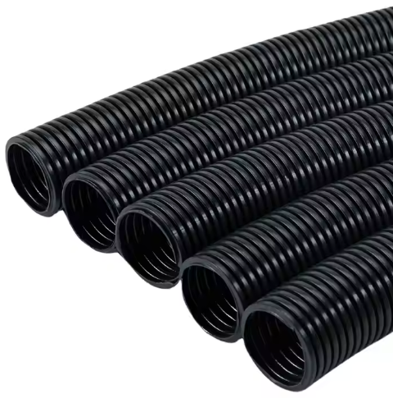 | m (linear) | 25 |  | € -
12.3.02 | Supply, install, test and commission Flexible Electrical Conduit (37)mm2, rate includes all nedd accessores, as per the preamble, the specifications and supervision engineer's requirements. |  | m (linear) | 50 |  | € -
12.04 | Supporting Devices Power sockets | Supply, install, test and commission the following power sockets/points/ isolators as shown on drawing, as per the preamble, rate includes conduits, 3*2.5mm² N2XY cables to related electrical panel, as the specifications and supervision engineer's directions.
 |  | Legrand, GEWISS or Unica/Schneider
12.04.14 | 16A power twin socket outlet /water proof |  | no. | 30 |  | € -
12.04.15 | Supply, install, connect, test and commission a Firefighters' circuit breaker IP65 4P 35A, including all conductors, fire retardant rigid PVC conduits, ,Cable glands , boxes, connection cables and all other accessories. as per drawings specifications and related standards. |  | no. | 8 |  | € -
12.04.16 | Supply, install, connect, test and commission a Firefighters' circuit breaker IP65 2P 35A, including all conductors, fire retardant rigid PVC conduits, Cable glands , boxes, connection cables and all other accessories. as per drawings specifications and related standards. |  | no. | 11 |  | € -
12.04.17 | Supply, install, connect, test, label and commission complete 1 HDMI and 1 Ethernet Wall box, rate includes data cable ( hard PVC outdoor ), boxes, RJ-45 (3M, DATWYLER or R&M ) conduits,4K HDMI 5m cables , as the specifications and supervision engineer's directions. |  | no. | 2 |  | € -
12.04.18 | 2 pole switch with indication light boiler switch |  | no. | 30 |  | € -
12.05 | Main Electrical Distribution Panels Sport Electrical Panel
12.5.01 | Supply, install, test and commission (L-DB),The electric switchboards shall be produced by a switchboard manufacturer certified by the Standards Institution of IEC 61439-2 . The switchboards must be ASSEMBLY system. The switchboard manufacturer shall be capable to provide engineering services both in consultation and maintenance, as per drawings specifications and related standards, and as requested by the supervising engineer, even if not mentioned. | Supply and installation of the equipment Rate includes transporting, storage support, connection to power field and factory testing, shop drawing and all items described in the Technical Specification and Layout as on complete system | no. | 1 |  | € -
...
1 | EXCAVATION, DEMOLITION, & EARTH WORKS |  |  |  | TOT | € -
12.8.09 | Supply, install, O2 gas fire extinguisher weighing 5 kg,ALLEGRO SAFETY 3100 Fire Extinguisher Wall Case, Large |  | no. | 2 |  | € -
12.09 | Public address system (PROVISIONAL)
12.9.1 | Supply, install, connect, test, label and commission complete Public address system, Rate includes everything necessary for proper operation,Also An inspection certificate from a competent official body, shop drawing and all items described in the Technical Specification and Layout as on complete system,as per ITC , TOA , INTER M. or Approved Equal
12.9.2 | Amplifier with Timer 240W, as MPT-240 MP3, or its approved equivalent. |  | no. | 2 |  | € -
12.9.3 | 6 Inch Two Way Wall Speaker 2.5W-5W-10w,as T-612, or its approved equivalent. |  | no. | 20 |  | € -
12.9.4 | 10 Zone Paging Systems as T-6212(A) or its approved equivalent. |  | no. | 2 |  | € -
12.9.5 | Paging Microphone,as T-218(A), or its approved equivalent. |  | no. | 1 |  | € -
12.9.6 | UHF-Dual Channel Wireless Microphone, 2 headset as T-522US, or its approved equivalent. |  | no. | 1 |  | € -
12.9.7 | Weatherproof music Horn Speaker as T-710K ,or its approved equivalent. |  | no. | 6 |  | € -
12.9.8 | Dynamic wired Handheld Microphone as TS-331,or its approved equivalent. |  | no. | 2 |  | € -
12.9.9 | Supply, install,Microphone Holder for Mic Stand Wall Mounted Microphone Hanger Clip Double Hook Stands Holder Bracket Rack Clamp with Screws Microphone Accessories | 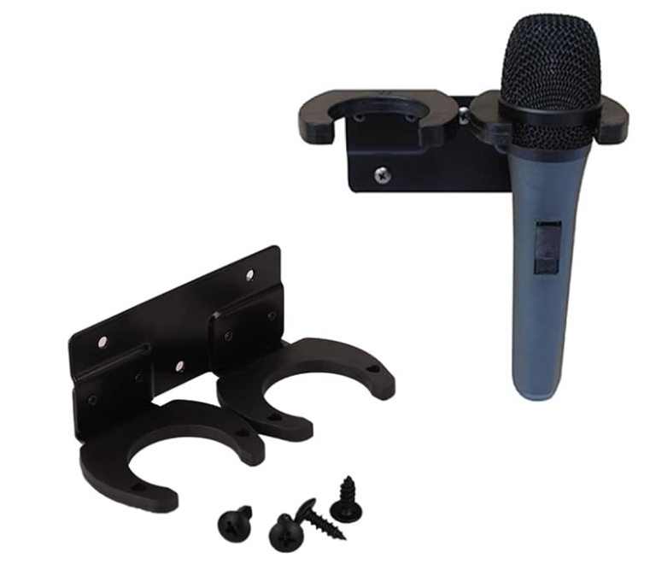 | no. | 2 |  | € -
12.9.10 | Supply, install, connect, test, label and commission complete Surface wall mount boxes, protected to IP65. Female 3 pin XLR connector Neutrik mic connector , rate includes proficcenal mic cables and hard PVC outdoor conduits, as the specifications and supervision engineer's directions. |  | no. | 3 |  | € -
12.9.11 | Reconnecting and operating air conditioners based on new electrical outlets. The price includes all necessary cables, pipes, boxes, drilling, filling, and everything required for operation, even if it is not mentioned. |  | lump sum | 1 |  | € -

SUMMARY |  |  |  |  |  | Amount (EUR)
1.00 | EXCAVATION, DEMOLITION, & EARTH WORKS |  |  |  |  | € -
2.00 | CONCRETE , BLOCK WORKS AND STONE WORKS |  |  |  |  | € -
3.00 | GYPSUM BOARDS AND FASLE CEILING WORKS |  |  |  |  | € -
4.00 | PLASTERING WORKS |  |  |  |  | € -
5.00 | TILING, FLOORING AND MARBLE WORKS |  |  |  |  | € -
6.00 | PAINTING WORKS |  |  |  |  | € -
...

