LOT 1 Kibondo-Water
 | Bill of Quantities for Drilling Eight 6-Inch Boreholes, Solar Pump and Panel Installation, Fencing, and Connection of School WASH and Dormitory Facilities to RUWASA Water Supply
 | LOT1: - KIBONDO DC
ITEM | DESCRIPTION | QTY | UNIT | RATE (Eur) | AMOUNT (Eur)
A1 | LOT 1: Borehole drilling works
 | *KIBONDO DC:- Kumgogo, Kigina, kumsenga, maount samba secondary school, and Kizazi Teachers Resource Center Note 1: For each item, please provide the unit rate for a single borehole. The total cost will be calculated by multiplying the unit rate by 5 (for five boreholes). Note 2: Provide a flat rate that will apply uniformly to all boreholes, regardless of their location.
1 | Geophysical Survey and Report
1.1.0 | Geological Survey: Perform ground water survey and determine most potential and appropriate location for high yield borehole and submit interpreted report to client before start drilling. Note 1: Geophsical survey and report will be conducted at every school. | Number of borehole | 1 |  | -
2 | Drilling and Well Development |  |  |  | -
2.1.1 | Mobilization of manpower, drilling rig(s), equipment, tools and accessories to the site. supply and installation of signboard and project registration | Number of borehole | 1 |  | -
2.1.2 | Secure all required permits from the Ministry of Water or any other government institution and register a borehole | No | 1 |  | -
2.1.3 | The project involves drilling a deep borehole with a 6" diameter surface casing, covering all geological formations. The scope includes site preparation, casing recovery, sub-strata sampling and testing, water provision for drilling, environmental protection, and quality assurance measures such as vertical alignment checks. The borehole will be fitted with of 6” PVC plain casing (PN10) and 60m of 6” PVC screen casing from Plasco Industries or similar, ensuring alignment with the aquifer. Temporary casing installation and removal are included. Note: Enabel will only accept boreholes with a minimum yield less than 4.5m3 per hour. | m | 100 |  | -
2.1.4 | Supply and construct a borehole projection chamber with internal dimensions of 1m x 1m and a height of 1m and 0.9m deep. The chamber walls shall be 200mm thick, cast in C25 concrete, reinforced with Y16 bars at 150mm centers in both directions on both faces. Install a heavy-duty reinforced concrete cover fitted with a high-strength, lockable access door. The access door shall be fabricated from 6mm thick steel plate, framed with 4mm thick 2" x 2" angle line, and designed to allow safe access for maintenance activities. A secure, heavy-duty locking mechanism shall be provided to prevent unauthorized access and theft. | m3 | 3 |  | -
2.1.5 | Borehole development and pump test |  |  |  | -
2.1.6 | Borehole development (4hours flushing ) or until water clears | Hr | 4 |  | -
2.1.7 | Conduct a Constant Pumping test (12hours) | Hr | 12 |  | -
2.1.8 | Conduct a Recovery test (2 hours) or until 95% return to SWL | Hr | 4 |  | -
2.1.9 | Water Quality Testing |  |  |  | -
2.1.10 | Demobilization of manpower, drilling rig(s), equipment, tools and accessories from the site. | item | 1 |  | -
2.1.11 | Submission of final water quality report, borehole capacity report, and geophysical survey report. | No | 1 |  | -
2.1.12 | Supply and installation of a submersible solar pump, supply and install solar power system and testing the systeam and solar pump |  |  |  | -
2.1.13 | Supply and install an SQF 2-230 GRUNDFOS brand water pump or similar brand capable of operating on both grid electricity and solar power. The pump shall have a maximum operating pressure of more than 15 bar and a discharge capacity of atleast 4.5 cubic meters per hour at a head of 230m Supply solar Systeam, construct mounting structure, Welded Razor Wire Mesh security fence product is almost impossible to climb or cut off with the standard tools and solar installation -Install solar power system which have a 5.5kW capacity sufficient to operate the pump for at least 8 hours per day without battery. - 14 pcs of solar panels with 450 Watts each -MPPT Controller: Must be compatible with the system. -Mounting structures: For solar panels and other necessary fittings, A sharp security fence to protect solar panel support posts in open fields should be 2.4 meters high and constructed from durable materials such as hot-dip galvanized steel or redoxide-coated. It should include anti-climb features like barbed wire, razor wire, or metal spikes, with posts anchored securely in concrete to prevent tampering. , includes concrete work grade 20 to fence base 0.3x0.3mx0.6m deep, a 0.15x0.15m plain class 20 ground beam to hold chainlink wire , 75mm external diameter - 3mm thick -galvanized steel should be spaced at 2.5m c/c between poles cover all panels to be inside fence, bolts and nuts, welding works, metal gates use 3mm thick thickness of metal sections, ant corrosion prevention red oxide and gravel levelling . fence material must be approved by client. | LS | 1 |  | - | 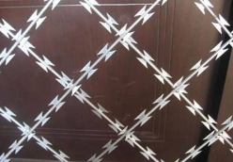 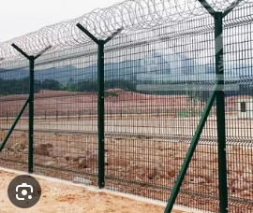
3 | Water distribution system from the borehole to the storage tank and onward to the distribution points (DPs). |  |  |  | -
3.1.1 | Excavate both hard ground ,and backfilling works, trench size 1m deep, 0.5m wide | m3 | 450 |  | -
3.1.2 | Allaowance for rock excavation and sand backfilling works, trench size 1m deep, 0.5m wide | m3 | 135 |  | -
3.1.3 | Water connections from borehole to Storage PVC tank. Supply and install Unplasticized Polyvinyl Chloride (uPVC) with pipe pressure of >= PN12.5. The outer diameter 2" or 50mm. supply all nessary fittings and service. | m | 300 |  | -
 | Sub total A1- Borehole drilling works |  |  |  | -

A2 | Water Treatment and Distribution
4.1.0 | Borehole Disinfection with granular chlorine after development allow for 24 hours in case needed based on the water test results, | Item | 1 |  | -
4.1.1 | Excavate both hard ground ,and backfilling works, trench size 1m deep, 0.5m wide | m3 | 90 |  | -
4.1.2 | Allowance for rock excavation and sand backfilling works, trench size 1m deep, 0.5m wide | m3 | 45 |  | -
4.1.3 | Water distributions from Storage PVC tank at girls WASH to DPs at boys WASH facilities, dormitories, kitchen,dining area, administrution block,teachers WASH, and at assembly point. Supply and install Unplasticized Polyvinyl Chloride (uPVC) with pipe pressure of >= PN10. The outer diameter 1.25" or 32mm. supply all nessary Fittings: Use high-pressure uPVC fittings (elbows, tees, reducers, valves) rated at the same pressure class as the pipes. | m | 150 |  | -
4.1.4 | Hand washing stations for studendts at the school compounds. Supply 5000litres simtank and construct a 1.7m high stone masonry tank raiser having crossing walls of 2mx2m by 0.6m thick. Use 1:3 cement motar, cast reinforced concrete grade 20 of 100mm thick slab use Y12 steel bars apacing 150c/c . Curing works, install tank, construct a handwashing station at the assembly point with 8 bib taps(4 each sides )or at the kitchen. Support the taps with plastered burnt brick masonry walls using a 1:3 mortar mix, finished with waterproof plaster and cement slurry for durability and moisture protection then apply blue painting finish. Station will be equipped with four taps on both sides, 3gate valves, class B PVC drainage pipes to remove water 80m away to existing saokage pit. including all necessary fitting materials. Built two hand hole inspection chambers provided with screening devices. | LS | 1 |  | - | 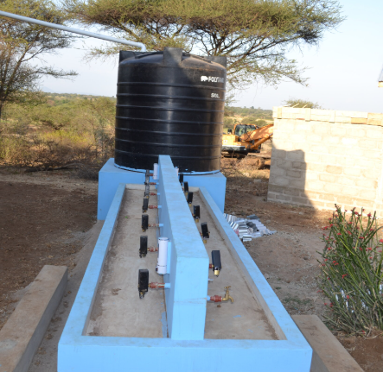 | 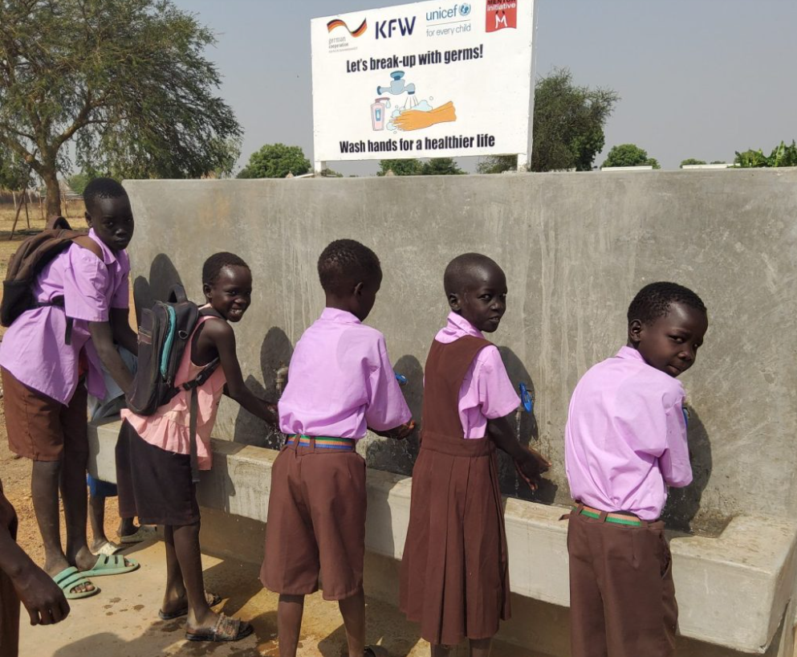
 | Sub Total A2- Water Treatment and Distribution |  |  |  | -
 | Total cost for one borehole at one school = A1+A2 |  |  |  | -
 | Total cost to drill 5 borehole , treat water and distribute to five schools (Kigina, Kumgogo, Kumsenga, Mount Samba and Kizazi TRC) - multiply the price of one borehole with the number of boreholes in the BOQ | Multiply the subtotal A | 5 | - | -
 | Mention any discount or increased unit price if one of the locations has a price that deviates from the others. Please also add a page explain the negative (reduced price) or positive (increased price) change in the price in a separate page. | LOC
 | Full total A1 and A2 multiplied by 5 adapted with a change in unit price if needed | (A1+A2)*5+LOC |  |  | -

 | Connection of Secondary Schools to the RUWASA Water Supply, Linking the Proposed RUWASA Mainline to the Storage Tanks at Both the School WASH and Dormitory WASH Facilities. |  |  |  | -
 | Includes the following 1 secondary school *KIBONDO DC:- Migezi 250m All quantities below are for both the WASH and dormitory WASH facilities
5 | Normal and firm excavation; Excavation a 1m deep trench for laying pipes including cutting trees and all kind of site clearance | m3 | 125.00 |  | -
5.1.1 | Allowance for rock excavation | m3 | 25.00 |  | -
5.1.2 | Supply, pipe connection from the KUWASA main pipeline and backfilling works; Use a 1" poly pipe (Class D PN10 or HDPE PN12.5/PN16), including all accessories for jointing for easy maintainanec and fittings to ensure durability and optimal performance. | m | 250.00 |  | -
 | Supply and Installation of booster solar water pump at Migezi secondary school
5.1.3 | Supply and install booster Solar water pump, solar panels and supporting structure. Supply and fix three solar panel each panel with 500Watt capacity. Including its 1. Elevetaed structure/post for securing solar panels. Built it on tank tower or on WASH roof as per engineer instruction. 2. Solar water pump 1kW-1.5kW with Advanced (built-in MPPT, hybrid) , minimum water out put 10m3/day, brand supply Grundfos or Dayliff, or equevailent . | Number of schools | 1.00 |  | -
 | Total RUWASA water connection and Installation of booster water pump at Migezi sec |  |  |  | -

 | Supply and Installation of Solar booster water pump at Kumsenga Sec School and Submission of As-Built Report for all six located site School
6.1.1 | Optional Item: Supply and installation of solar booster water pump, solar panels and supporting structure. Supply and fix three solar panel each panel with 500Watt capacity. Including its 1. Elevetaed structure/post for securing solar panels. Built it on tank tower or on WASH roof as per engineer instruction. 2. Solar water pump 1kW-1.5kW with Advanced (built-in MPPT, hybrid) , minimum water out put 10m3/day, brand supply Grundfos or Dayliff, or equevailent . | Number of schools | 1.00 |  | -
6.1.2 | As-built report to also include the overall constructed works and operations of the installed equipment and machines. Report shoul cover all works performed at all schools/location/site | LS | 1 |  | -
 | Total - Installation of Solar booster water pump and Submission of As-Built Report |  |  |  | -

 | Summary
 | Full total A1 and A2 multiplied by 5 adapted with a change in unit price if needed |  |  |  | -
 | Total RUWASA water connection and Installation of booster water pump at Migezi sec |  |  |  | -
 | Total cost for installation of booster water pump at kumsenga and submission of as-built report for all sites |  |  |  | -
 | Total |  |  |  | -
 |  |  |  |  | -
 | LOT 1: Grand total all cost excluding 18% VAT |  |  |  | -

