Cover Page
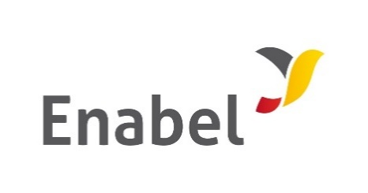

THE REPUBLIC OF UGANDA

MINISTRY OF HEALTH

Bidding Document

for the

Procurement of Works

PRICED BILLS OF QUANTITIES

Subject of Procurement: | MINOR WORKS AT BUGEMBE AND MPUMUDDE HEALTH CENTRE IVS- JINJA

Procurement Ref No.:

Date of Submission: | 30TH JULY, 2025

