Cover Page
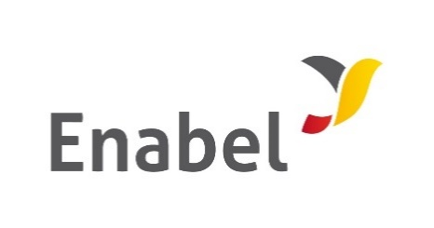

THE REPUBLIC OF UGANDA

MINISTRY OF HEALTH

Bidding Document

for the

Procurement of Works

PRICED BILLS OF QUANTITIES

Subject of Procurement: | NEW CONSTRUCTION AND REPAIR WORKS AT BUWENGE HEALTH CENTRE IV- KAMULI DISTRICT

Procurement Ref No.:

Date of Submission: | 16TH JULY, 2025

